Exhibit
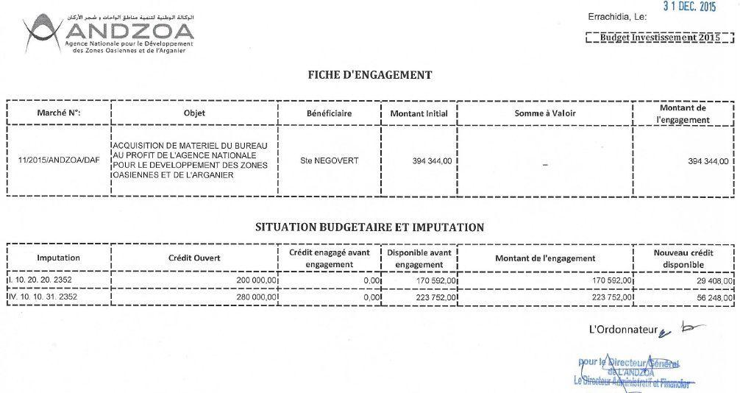

Imputation | MAD | USD
I 10.20.20.2352 | 170,592.00 | 17,688
IV 10.10.31.2352 | 223,752.00 | 23,200

