Project Indicators
 | PROJECT Indicators
 | Please provide all indicators being tracked for the project as outlined in the project document
 | Type of Indicator (indicators towards Objectives, Outcomes, etc…)

Type of Indicator | Indicators | Baseline |  | Progress since inception | Target for project end
Objective: Enhance the climate change resilience of communities living around at least three CPA intervention sites, as well as downstream communities, to the climate change-induced hazard of erratic rainfall. | Obj 1 Percentage change in the climate change vulnerability index at each target CPA. | The following table shows the current climate change vulnerability index score at each CPA. The maximun vulnerability index score is 120, but normally ranges between 0 and 50. |  | Mid-term Average CCVI: 31,2 (56% increase) The climate change vulnerablity index for each target CPA was measured in mid-2016 (approximate mid-point of the project) by the Research and Monitoring consultants. Overall, the climate change vulnerability index has increased in each target community, contrary to the anticipated result (see Figure to the right). However, as noted by the consultants, the increase in vulnerability was driven by an increase in exposure risk, outside the control of the project. On the other hand, the adaptive capacity of communities - which the project could influene - has greatly increased (see Figure to the right). The consultants summarise: "The analysis showed that the vulnerability of the target respondents has increased compared to the baseline. As discussed earlier, the exposure of the community to climate change have significantly increased compared to the time when the baseline was conducted. Even if the adaptive capacity has improved, this is not enough to overcome the risk that the community experienced. The data would show that the extent by which the respondents are exposed to climate change (i.e. based on the scores they attribute to the indicators of exposure to climate change) is significantly high compared to the baseline. The overall score on CC exposure was not overturned even with the increase in Adaptive Capacity of the community members. It should be noted further that the average sensitivity index has also slightly increased which further aggravated the Vulnerability. But then, the scenario could have been worse without the project. The result highlights the importance of the project in mitigating the impact of climate change to the vulnerable communities." The contracts for the Research and Monitoring consultants have been renewed in 2019, and they will be remeasuring the climate change vulnerability in the second half of the year. This will serve as the terminal evlauation of the climate change vulnerability index. | A 20% decrease in the climate change vulnerability index at each target CPA by the end of the project.
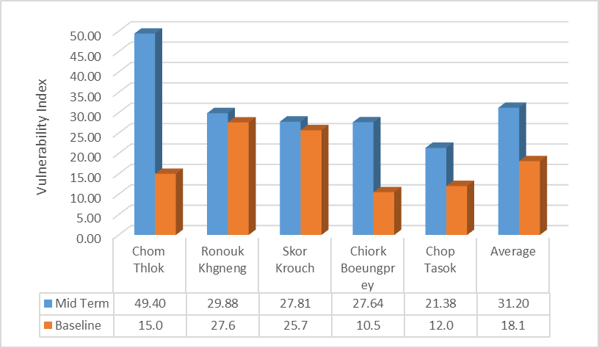
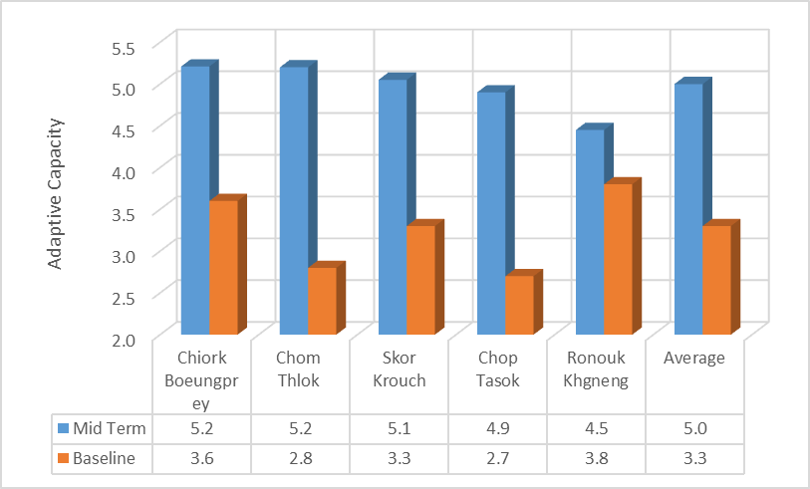
 |  |  | Vulnerability index
 |  | Chiork Boeungprey | 10.4
 |  | Chorm Thlok | 15.2
 |  | Skor Krouch | 25.8
 |  | Chop Tasok | 12.1
 |  | Ronouk Khgneng | 27.6
 |  | Obj 2 Number of project beneficiaries, gender dissagragated, benefitting from the project's ecoagriculture interventions. |  | Approximately 24,000 people have benefitted from the project's ecoagriculture interventions. 9,271 (51.5% women) at the project target sites have benefitted from the project's interventions. This number represent the total population living at the 5 target CPAs. See indicators below for further details. 124 water points (such as boreholes or open wells) have been contructed in CPAs surrounding the targeted interventions sites, benefitting and additional ~6,200 people (~50 people per water point). 170,000 fruit trees have been distributed to in CPAs surrounding the targeted interventions sites, benefitting and additional ~8,500 people (~20 trees per family). In addition to this, 223,500 indigenous tree species have been planted in degraded areas of CPAs surrounding the targeted interventions sites, benefitting many more people through the provision of ecosystem goods and services. | At least 1000 people, 50% of which are women, are benefitting from the project's interventions by the end of the project.
Outcome 1: Technical expertise and a local enabling framework for forest restoration and ecoagriculture interventions that build climate resilience developed at CPA intervention sites through a consultative and participatory process. | Outcome 1. Change in the capacity of national and local government officials to implement forest restoration and conservation agriculture interventions that build climate resilience. | National and local government officials have limited capacity to implement forest restoration and conservation agriculture interventions that build climate resilience. |  | 25 government officials have developed capacity to implement forest restoration and ecoagriculture interventions. An additional 20 field rangers have increased knowledge on climate change, ecoagriculture, forest patrolling, nursery management ang land tenure rights. The technical knowledge required to implement forest restoration and conservation agriculture interventions has been aquired through at least 11 technical assessments and reports. The technical knowledge developed through these assessments, including climate-resilient species selections, market assessments and hydrological studies, will build the capacity of the government to implement forest restoration and conservation agriculture interventions.These reports have been shared with government officials. Government officials involved with the implementation of the project (1 project manager, 3 department/general directors, 11 government counterparts, 10 additional support staff from the Local Community Livelihood Department, and 30-40 field rangers from the GDANCP (General Department of Administration for Nature Conservation and Protection - Protected Area Management). ~20 field rangers have attended training events on climate change, ecoagriculture, forest patrolling, nursery management ang land tenure rights. Furthermore, through their experience implemeting the project, these government staff continue to develop the capacity to implement forest restoration and conservation agriculture. | 15 national and local government officials in the Research and Community Protected Area Development Department have fully developed capacity to implement forest restoration and conservation agriculture interventions that build climate resilience.

Output 1.1: Information generated on climate change impacts and preferred ecoagriculture interventions through a consultative and participatory approach. | 1.1.1 Number and type of specialist reports developed for the project – through a participatory approach with local communities where relevant – in the first year. | No specialist reports on climate changes impacts and the preferred ecoagriculture interventions. |  | 6 specialist reports have been submitted and cleared by the PMU and Chief Technical Advisor. | At least 6 specialist reports submitted to the PMU by the end of the first year of the project. These reports must include: • 1 x gap analysis (including the results of an institutional mapping exercise); • 1 x multi-use plant species assessment (including identification of climate-resilient indigenous plant species), with results disaggregated by CPA; • 1 x crop variety assessment (including identification of climate-resilient crop varieties), with results disaggregated by CPA; • 1 x planting schedule (based on useful plant species assessment); • 1 x improved rice variety assessment report; and • 1 x hydrological assessment report (including water challenges, potential water sources and proposed interventions), with results disaggregated by CPA.

 | 1.1.2 Number of MSc research projects on ecoagriculture initiated at a local university. | No MSc research projects on ecoagriculture in Cambodia. |  | 15 MSc students have thus far been supported through the project - 08 from Royal University of Agriculture and 07 from the Royal University of Phnom Penh. | At least 5 MSc projects on ecoagriculture initiated at local universities over the duration of the AF project.

Output 1.2: Economic assessments undertaken to identify most appropriate ecoagriculture interventions and associated micro-finance and insurance products. | 1.2.1 Number and type of economic assessment reports developed for the project – through a participatory approach with local communities where relevant – in the first year. | No economic assessment reports on the preferred ecoagriculture interventions and associated micro-finance/insurance products. |  | 5 economic assessment reports required have been developed, submitted and cleared by the PMU and Chief Technical Advisor. These reports contributed to the development of the technical protocols for ecoagriculture. | At least 5 economic assessment reports submitted to the PMU by the end of the first year of the project. These reports must include: • 1 x report identifying locally available weather index-based insurance and micro-finance products; • 1 x market assessment of micro-finance opportunities for farmers at CPA intervention sites (including potential business plans for such products); • 1 x local agricultural market assessment; • 1 x cost-benefit analysis of potential crop/tree species to be planted; and • 1 x socio-economic assessment of proposed ecoagriculture approaches.

Output 1.3: Forest restoration and conservation agriculture protocols developed for CPA intervention sites based on results from Output 1.1 and 1.2. | 1.3.1 Number and type of technical protocols – informed by output 1.1 – for ecoagriculture interventions developed in the second year of project. | There are no formal, technical protocols specific to the ecoagriculture approaches and project sites proposed by the AF project. |  | 5 technical protocols for the restoration activities have been submitted to the PMU. These technical protocols guide restoration and agriculture activities carried out by the project. | At least 5 technical protocols (1 per CPA) for the preferred ecoagriculture interventions submitted to the PMU in the second year of the project. These reports must include protocols for: • restoration; • chamkar-based agroforestry; • homegarden establishment; • planting useful species around chamkar; • growing climate-resilient rice; and • implementing additional activities.

Outcome 2: Multi-use forests established and maintained and agricultural practices diversified/intensified to supply a diverse range of food and stabilize topsoil, despite an increase in climate change-induced droughts and floods. | Outcome 2 Number of households that have benefited from chamkar-based agroforestry plots and intensified/diversified homegardens at the target CPAs. | No chamkar-based agroforestry plots have been established at the five target CPAs. |  | By the end of 2018, ~ 3800 households in target CPAs have recieved fruit trees to plant in their chamkar-based agroforestry plots. In addition, ~8,500 households in CPAs surrounding the target sites have recieved fruit trees to plant in agroforestry plots (170,000 trees with ~20 per household). 1193 households at the project intervention sites are benefitting from homegarden activities. . | 1000 households have benefited from chamkar-based agroforestry plots and 800 households have benefited from intensified/diversified homegardens at the target CPAs by the end of the project.

 |  | There is 1 intensified/diversified homegarden at Chop Tasok.

 |  | There are no intensified/diversified homegardens at the other four target CPAs. Therefore only 1 household has benefited an intensified/diversified homegarden.

Output 2.1: Capacity of local community for building climate resilience increased, including capacity to plan, implement and maintain ecoagriculture interventions under Output 2.2. | 2.1.1 Number of CPA Management Committees, local authority members and agricultural extensions officers located throughout Cambodia trained on climate change and ecoagriculture interventions. | There has been no formal training encompassing the full ecoagriculture approach preferred by the AF project. |  | 139 CPA management committees and 139 local authorty members have been trained on cliamte change and ecoagriculture. All CPAs in Cambodia (139 in total) were invited to two seperate training sessions organised by the project. For each CPA, two Management committee members and one local authorty member attended the training. | Mid-term: At least 30 CPA Management Committees; 10 local authorities members; and 5 agricultural extension officers throughout Cambodia trained on climate change and ecoagriculture interventions over the duration of the AF project. End of project: At least 60 (i.e. 50%) CPA Management Committees; 20 local authority members; and 10 agricultural extension officers throughout Cambodia trained on climate change and ecoagriculture interventions over the duration of the AF project.
...
 |  |  |  | 5 patrolling committee have been established, one at each CPAs. A reporting mechanism has been established and each team submits a monthly report to government counterparts. | 4 patrolling committees established (Chiork Boeungprey, Chorm Thlok, Skor Krouch and Chop Tasok) and 1 patrolling committee strengthened (Ronouk Khgneng).

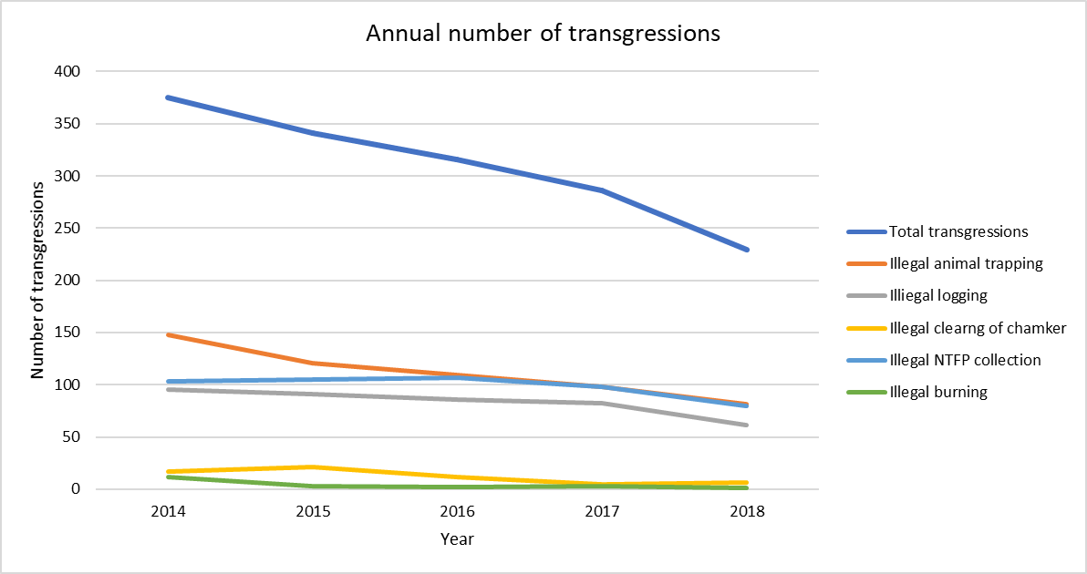
 |  |  |  | The annual number of transgressions reported by the patrolling committees has reduced by 39% (375 to 229) between 2014 and 2018. Please see the graph to the right. Patrolling committees have begun to sumbit monthly patrolling reports detaling the number of transgressions. The information presented above is based on the findings of these reports. | At least a 40% reduction in the annual number of transgressions in each CPA between July 2014 and the end of the AF project.
...
 |  |  |  | 3 community-managed nursuries have been established and are producing seedlings. | At least 3 nurseries established during the first year of the AF project, including: • 1 in Boeungper, • 1 in Phnom Kulen; and • 1 in Phnom Prech.

 |  |  |  | 10 Government counterparts (fulfilling the role of community liaison planting officers) have been contracted and continue to work for the project. | 10 community liaison planting officers contracted in the first year, including: • 4 in Boeungper, • 3 in Phnom Kulen; and • 3 in Phnom Prech.

 |  |  |  | 72.3 ha In early 2018, 10ha of illegally cleared land were reforested in Khulen National Park. Also in Kulen National Park, 11 plots of llegally cleared land farms with total area of 32.3 hectared were reforested in 2017. In 2016, 15000 indigenous trees were planted on illegally cleared land of around 2.5ha in Chop Tasok CPA of Kulen National Park. In June 2015, 40,000 indigenous tress were used to restore 27.5ha area of reclaimed, degraded land within Chorm Thlork. By May 2018, 827,690 indigenous trees have been planted in the 5 CPA project target sites (604,190) and in other surrounding CPAs (223,500). These indigenous trees have been used in the reforestation of degraded land, have been planted in chamkar, and have been used in enrichment planting in moderately degraded forest. In addition to indigenous reforestation, project teams have distibuted so far 458,542 fruit trees to community members (263,542 within target CPAs and 195,000 in non-target CPAs) for their households and chamkar plots plantation. 280,000 indigenous trees and 75,000 fruit trees were distributed during the current reporting period. | At least 30 ha of degraded forest restored in Chorm Thlok CPA before the end of the project.

 |  |  |  | 1193 households at the project intervention sites are benefitting from homegarden activities (Chiork Benugprey - 100, Chom Thlork - 573, Skor Krouch 417, Chup Tasok 43, Rounouk Kneng 60). | Mid-term: 300 intensified/diversified homegardens established at the five target CPAs. A diversified/intensified homegarden should include at least 20 species, of which: i) at least 5 are indigenous fruit/soil-binding tree species; and ii) at least 8 are different vegetable species. Furthermore, the species planted within the homegarden should be representative of at least 4 different canopy layers (emergent, canopy, understory, shrub and herb). End of project: 800 intensified/diversified homegardens established at the five target CPAs. A diversified/intensified homegarden should include at least 20 species, of which: i) at least 5 are indigenous fruit/soil-binding tree species; and ii) at least 8 are different vegetable species. Furthermore, the species planted within the homegarden should be representative of at least 4 different canopy layers (emergent, canopy, understory, shrub and herb).
...
 |  |  |  | More than 28 events have been conducted to raise awareness of climate change and ecoagriculture. An Awareness Campaign Expert has been recruited to design an appropriate campaign. In addition, another consultant for training was also hired to design a relevant training course. As a result, 58 training events and 2 exchange studies have taken place with approximately 100 participants per event. Furthermore, a project web site has been developed. Posters demonstrating the concept of ecoagriculture have been distributed to the target CPAs. Brochures about nursery management have also been developed. Five road rest areas have been constructed and equipped with awareness-rasing materials. There are three camping events have been organized with participants from university students, school children, Phnom Penh youth club and women staff from the ministry of envisroment. There are also many forest planting evens organized with T-shirt informing about project feasibility and activities distributed to participants. These planting activities have involved thousands of community members, raising their awareness of forest conservation and climate change. A tree-planting event with the Cambodia Royal Society was attended by the Prime Minister of Cambodia, which generated a lot of media attention, including TV coverage. The project team has also hosted events on public radio. 6 video documentaries highlighting succesful project interventions have been developed. | At least 28 ‘events’ held and/or products developed to raise awareness of climate change and ecoagriculture, including workshops, campaigns, education initiatives at schools/universities, a web-based data network portal and a documentary film.

 |  |  |  | Mid-term average CCAI: 45.3 (205% increase) Climate change awareness has increased at project intervention sites. See table alongside. Climate change awareness will be re-measured by the consultants in the second half of 2019. | Mid-term: • Average awareness index score of 30% at the five target CPAs. • 30% of community members at the five target CPAs understand the concept of ecoagriculture. End of project: • Average awareness index score of 50% at the five target CPAs. • 50% of community members at the five target CPAs understand the concept of ecoagriculture.
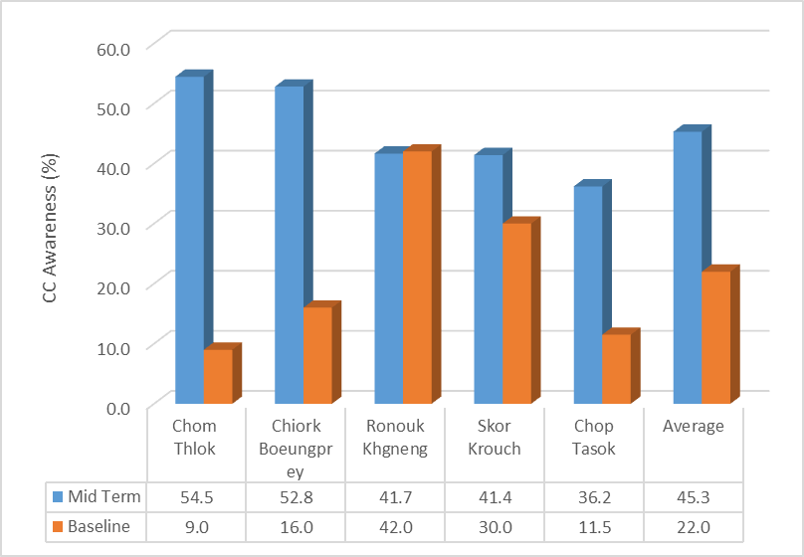
 |  |  | Climate change awareness index
 |  |  | 16%
 |  |  | 10%
 |  |  | 30%
 |  |  | 12%
 |  |  | 42%
...
 |  |  | Concept understood
 |  |  | 6%
 |  |  | 4%
 |  |  | 6%
 |  |  | 0%
 |  |  | 0%
 |  |  |  | A REDD+ feasibility studt has been submitted and approved. Based on the finding of this report, it was recommended that REDD+ is not a feasible option for this project, and therefore no Project Idea Note will be produced. | At least 1 REDD+ feasibility study and Project Idea Note (if applicable) investigating the potential to integrate/promote ecoagriculture or species from multi-use forests into REDD+ projects developed in the first year of the AF project.

 |  |  |  | 5 CPA management plans developed/revised to incorporate the ecoagriculture approach. | At least 5 CPA management plans developed/revised to incorporate the ecoagriculture approach by the end of the AF project.
...

