Project Indicators
 | PROJECT Indicators
 | Please provide all indicators being tracked for the project as outlined in the project document
 | Type of Indicator (indicators towards Objectives, Outcomes, etc…)

Type of Indicator | Indicators | Baseline |  | Progress since inception | Target for project end
Objective: Enhance the climate change resilience of communities living around at least three CPA intervention sites, as well as downstream communities, to the climate change-induced hazard of erratic rainfall. | Obj 1 Percentage change in the climate change vulnerability index at each target CPA. | The following table shows the current climate change vulnerability index score at each CPA. The maximun vulnerability index score is 120, but normally ranges between 0 and 50. |  | The climate change vulnerablity index for each target CPA was measured in mid-2016 (approximate mid-point of the project) by the Research and Monitoring consultants. Overall, the climate change vulnerability index has increased in each target community, contrary to the anticipated result (see Figure to the right). However, as noted by the consultants, the increase in vulnerability was driven by an increase in exposure risk, outside the control of the project. On the other hand, the adaptive capacity of communities - which the project could influene - has greatly increased (see Figure to the right). The consultants summarise: "The analysis showed that the vulnerability of the target respondents has increased compared to the baseline. As discussed earlier, the exposure of the community to climate change have significantly increased compared to the time when the baseline was conducted. Even if the adaptive capacity has improved, this is not enough to overcome the risk that the community experienced. The data would show that the extent by which the respondents are exposed to climate change (i.e. based on the scores they attribute to the indicators of exposure to climate change) is significantly high compared to the baseline. The overall score on CC exposure was not overturned even with the increase in Adaptive Capacity of the community members. It should be noted further that the average sensitivity index has also slightly increased which further aggravated the Vulnerability. But then, the scenario could have been worse without the project. The result highlights the importance of the project in mitigating the impact of climate change to the vulnerable communities." | A 20% decrease in the climate change vulnerability index at each target CPA by the end of the project.
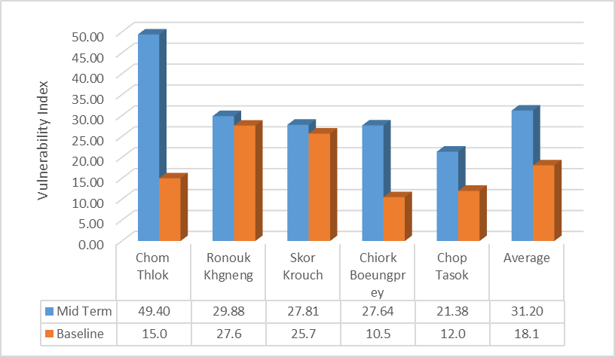
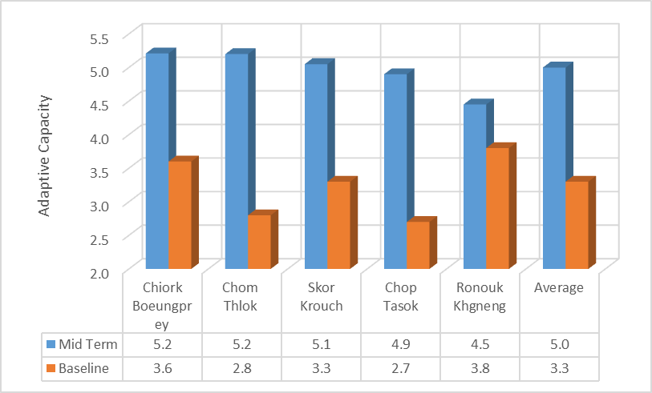
 |  |  | Vulnerability index
 |  | Chiork Boeungprey | 10.4
 |  | Chorm Thlok | 15.2
 |  | Skor Krouch | 25.8
 |  | Chop Tasok | 12.1
 |  | Ronouk Khgneng | 27.6
 | Obj 2 Number of project beneficiaries, gender dissagragated, benfitting from the project's ecoagriculture interventions. | No beneficiaries before the start of the project |  | 9,271 (51.5% women) have benefitted from the project's interventions. This number represent the total population living at the 5 target CPAs. Water supply infrastructure, reforestation activities and the strengthening of community management committees is benefitting all households within the five project intervention sites. 3782 households in total (~5 people per household) have recieved fruit trees for planting around their homestead (108 households in Chop Tasok, 114 in Ronouk Khgeng, 396 in Chiork Beungprey, 1200 in Skor Krouch and 1964 in Chorm Thlok). 3 nurseries have been constructed and community nursery management teams have been established. 126 community members (52 at Beung Per, 35 at Phnom Kulen and 39 at Phnom Prich) are actively involved in the community nursery management teams. 872 households (64 in 2014, 329 in 2015 and 479 in 2016) in total have recieved and planted drought-resilient rice varieties. (4 Chirok Beungprey, 507 Chom Thlork, 351 in Skor Krouch, and 10 in Chup Tasok). 1962 households (244 in 2014 and 279 in 2015 and 670 in 2016 and 769 in 2017) in total are benefitting from homegarden activities. For home gardens activities in 2017, we have added 769 households home garden of which 69 families in Chiork Boeungprey, 356 families in Chorm Thlok, 245 families in Skor Krouch, 39 in Chup Tasok and 60 families in Ronouskgneng. So far, there are totally 1962 families practicing home garden activities in all the 5 selected CPA targeted areas. 155 households (10 in 2014, 140 in 2015) in total are benefitting from household chicken farming activities. (14 households in Chop Tasok, 25 in Ronouk Khgeng, 28 in Chiork Beungprey, in 54 Chom Thlork and in 34 Skor Krouch). 60 families in total have recieved cricket raising training skills with supply of cricket nestling. 29 families (10 in Ronouk Khngeng and 19 in Chup Tasok) have selected for family raising activity while each family was provided with two pigs. 48 training events and 2 exchange studi | At least 1000 people, 50% of which are women, are benefitting from the project's interventions by the end of the project.
Outcome 1: Technical expertise and a local enabling framework for forest restoration and ecoagriculture interventions that build climate resilience developed at CPA intervention sites through a consultative and participatory process. | Outcome 1. Change in the capacity of national and local government officials to implement forest restoration and conservation agriculture interventions that build climate resilience. | National and local government officials have limited capacity to implement forest restoration and conservation agriculture interventions that build climate resilience. |  | The technical knowledge required to implement forest restoration and conservation agriculture interventions has been aquired through at least 11 technical assessments and reports. The technical knowledge developed through these assessments, including climate-resilient species selections, market assessments and hydrological studies, will build the capacity of the government to implement forest restoration and conservation agriculture interventions.These reports have been shared with government officials. Government officials involved with the implementation of the project (1 project manager, 3 department/general directors, 11 government counterparts, 10 additional support staff from the Local Community Livelihood Department, and 30-40 field rangers from the GDANCP (General Department of Administration for Nature Conservation and Protection - Protected Area Management). ~20 field rangers have attended training events on climate change, ecoagriculture, forest patrolling, nursery management ang land tenure rights. Furthermore, through their experience implemeting the project, these government staff continue to develop the capacity to implement forest restoration and conservation agriculture. | 15 national and local government officials in the Research and Community Protected Area Development Department have fully developed capacity to implement forest restoration and conservation agriculture interventions that build climate resilience.

Output 1.1: Information generated on climate change impacts and preferred ecoagriculture interventions through a consultative and participatory approach. | 1.1.1 Number and type of specialist reports developed for the project – through a participatory approach with local communities where relevant – in the first year. | No specialist reports on climate changes impacts and the preferred ecoagriculture interventions. |  | National consultants were recruited to undertake the necessary assessments. The 6 reports required have been submitted and cleared by the PMU and Chief Technical Advisor. | At least 6 specialist reports submitted to the PMU by the end of the first year of the project. These reports must include: • 1 x gap analysis (including the results of an institutional mapping exercise); • 1 x multi-use plant species assessment (including identification of climate-resilient indigenous plant species), with results disaggregated by CPA; • 1 x crop variety assessment (including identification of climate-resilient crop varieties), with results disaggregated by CPA; • 1 x planting schedule (based on useful plant species assessment); • 1 x improved rice variety assessment report; and • 1 x hydrological assessment report (including water challenges, potential water sources and proposed interventions), with results disaggregated by CPA.

 | 1.1.2 Number of MSc research projects on ecoagriculture initiated at a local university. | No MSc research projects on ecoagriculture in Cambodia. |  | 15 MSc students have thus far been supported through the project - 08 from Royal University of Agriculture and 07 from the Royal University of Phnom Penh. | At least 5 MSc projects on ecoagriculture initiated at local universities over the duration of the AF project.

Output 1.2: Economic assessments undertaken to identify most appropriate ecoagriculture interventions and associated micro-finance and insurance products. | 1.2.1 Number and type of economic assessment reports developed for the project – through a participatory approach with local communities where relevant – in the first year. | No economic assessment reports on the preferred ecoagriculture interventions and associated micro-finance/insurance products. |  | Consultants have been recruited to undertake the necessary assesments. The five reports required have been developed, submitted and cleared by the PMU and Chief Technical Advisor. | At least 5 economic assessment reports submitted to the PMU by the end of the first year of the project. These reports must include: • 1 x report identifying locally available weather index-based insurance and micro-finance products; • 1 x market assessment of micro-finance opportunities for farmers at CPA intervention sites (including potential business plans for such products); • 1 x local agricultural market assessment; • 1 x cost-benefit analysis of potential crop/tree species to be planted; and • 1 x socio-economic assessment of proposed ecoagriculture approaches.

Output 1.3: Forest restoration and conservation agriculture protocols developed for CPA intervention sites based on results from Output 1.1 and 1.2. | 1.3.1 Number and type of technical protocols – informed by output 1.1 – for ecoagriculture interventions developed in the second year of project. | There are no formal, technical protocols specific to the ecoagriculture approaches and project sites proposed by the AF project. |  | Five technical protocols for the restoration activities have been submitted to the PMU. | At least 5 technical protocols (1 per CPA) for the preferred ecoagriculture interventions submitted to the PMU in the second year of the project. These reports must include protocols for: • restoration; • chamkar-based agroforestry; • homegarden establishment; • planting useful species around chamkar; • growing climate-resilient rice; and • implementing additional activities.

Outcome 2: Multi-use forests established and maintained and agricultural practices diversified/intensified to supply a diverse range of food and stabilize topsoil, despite an increase in climate change-induced droughts and floods. | Outcome 2 Number of households that have benefited from chamkar-based agroforestry plots and intensified/diversified homegardens at the target CPAs. | No chamkar-based agroforestry plots have been established at the five target CPAs. |  | By the end of 2017, 1962 (244 in 2014; 279 in 2015; 670 in 2016 and 769 in 2017) households in total are benefitting from homegarden activities. 3782 households have received fruit trees to plant in agroforestry plots. For home gardens activities in 2017, we have added 769 households home garden of which 69 families in Chiork Boeungprey, 356 families in Chorm Thlok, 245 families in Skor Krouch, 39 in Chup Tasok and 60 families in Ronouskgneng. So far, there are totally 1962 families practicing home garden activities in all the 5 selected CPA targeted areas. The AF project has distibuted totally 172,592 fruit trees in 2017 reforestation activities of which 92,592 fruit trees distributed to the 5 selected CPAs targeted areas and 80,000 fruit trees distributed to outside project targeted areas. For fruit trees distributed to the 5 CPAs project taregetd areas, we allocated 10,000 fruit trees in Chiork Boeungprey CPA; 20,000 fruit trees in Chorm Thlork CPA; 20,000 fruit trees in Skor Krouch CPA; 32,592 fruit trees in ChupTasok CPA; 10,000 fruit trees in Ronouk Khnheng CPA. | 1000 households have benefited from chamkar-based agroforestry plots and 800 households have benefited from intensified/diversified homegardens at the target CPAs by the end of the project.

 |  | There is 1 intensified/diversified homegarden at Chop Tasok.

 |  | There are no intensified/diversified homegardens at the other four target CPAs. Therefore only 1 household has benefited an intensified/diversified homegarden.

Output 2.1: Capacity of local community for building climate resilience increased, including capacity to plan, implement and maintain ecoagriculture interventions under Output 2.2. | 2.1.1 Number of CPA Management Committees, local authority members and agricultural extensions officers located throughout Cambodia trained on climate change and ecoagriculture interventions. | There has been no formal training encompassing the full ecoagriculture approach preferred by the AF project. |  | 139 CPA management committees and 139 local authorty members have been trained on cliamte change and ecoagriculture. All CPAs in Cambodia (139 in total) were invited to two seperate training sessions organised by the project. For each CPA, two Management committee members and one local authorty member attended the training. | Mid-term: At least 30 CPA Management Committees; 10 local authorities members; and 5 agricultural extension officers throughout Cambodia trained on climate change and ecoagriculture interventions over the duration of the AF project. End of project: At least 60 (i.e. 50%) CPA Management Committees; 20 local authority members; and 10 agricultural extension officers throughout Cambodia trained on climate change and ecoagriculture interventions over the duration of the AF project.
...
 |  |  |  | A patrolling committee has been established at all 5 CPAs. A reporting mechanism has been established and each team submits a monthly report to government counterparts. | 4 patrolling committees established (Chiork Boeungprey, Chorm Thlok, Skor Krouch and Chop Tasok) and 1 patrolling committee strengthened (Ronouk Khgneng).

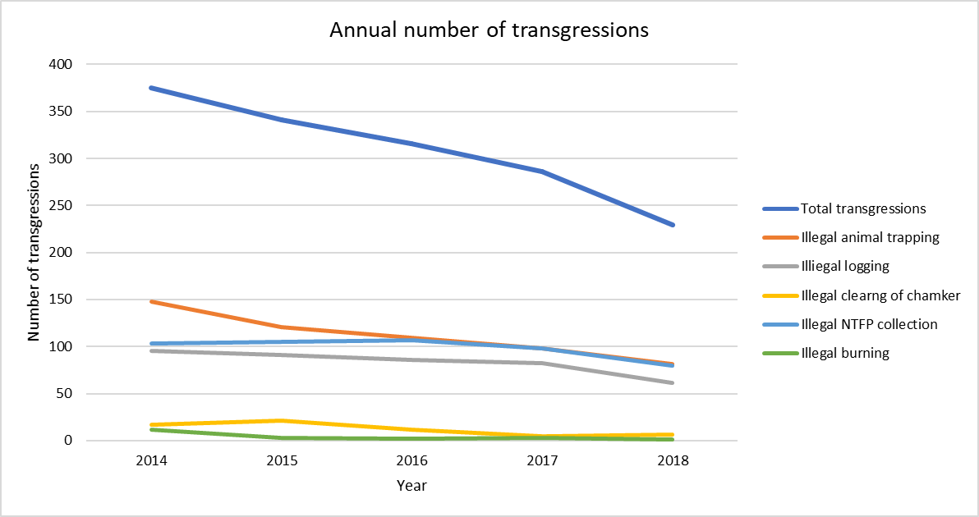
 |  |  |  | The annual number of transgressions reported by the patrolling committees has reduced by 39% (375 to 229) between 2014 and 2018. Please see the graph to the right. Patrolling committees have begun to sumbit monthly patrolling reports detaling the number of transgressions. The information presented above is based on the findings of these reports. | At least a 40% reduction in the annual number of transgressions in each CPA between July 2014 and the end of the AF project.
...
 |  |  |  | The first AF nursery has been established to service the three CPAs within Beungprey Wildlife Sanctuary. The nursery was officially inaugurated by the Minister of the Environment on July 14, 2014. The Second AF nursery in Chup Tasok CPA of Kulen National Park was inaugurated on 06 March 2015 and the third AF nursery in Rounouk Khgneng CPA of Phnom Prech Wildlife Sanctury was inaugurated on 18 May 2015. All three nurseries have their own nursery management teams who have been well trained on nursery management and seedling propagation. | At least 3 nurseries established during the first year of the AF project, including: • 1 in Boeungper, • 1 in Phnom Kulen; and • 1 in Phnom Prech.

 |  |  |  | 10 Government counterparts (fulfilling the role of community liaison planting officers) have been contracted and continue to work for the project. | 10 community liaison planting officers contracted in the first year, including: • 4 in Boeungper, • 3 in Phnom Kulen; and • 3 in Phnom Prech.

 |  |  |  | 72.3 ha In June 2015, 40,000 indigenous tress were used to restore 27.5ha area of reclaimed, degraded land within Chorm Thlork. In addition, in 2016, 15000 indigenous trees were planted on a confiscated cleared land of around 2.5 hectares in Chop Tasok CPA of Kulen National Park. In Kulen National Park, 11 plots of lands cleared for cashew nut farms with total areas of 32.3 hectared have been confiscated and reforested in 2017. Once again, one plot of 10 hectare of cashew nut farm in Kulen NP has been confiscated and reforested in 2018. By August 2017, there are 575,176 of indigenous trees have been planted in the 5 CPA project targeted sites and in other downstream communities forest areas. These indigenous trees have been used in the reforestation of degraded land, have been planted in chamkar, and have been used in enrichment planting in moderately degraded forest. By August 2018, the project team will plant at least additional 400,000 indigenous tress as project reforestation activities for 2018. In addition to indigenous reforestation, project teams have distibuted so far 342,442 fruit trees to community members for their households and chamkar plots plantation. | At least 30 ha of degraded forest restored in Chorm Thlok CPA before the end of the project.

 |  |  |  | By 2017, there are 1962 (244 in 2014; 279 in 2015; 670 in 2016 and 769 in 2017) households in total are benefitting from homegarden activities. For home gardens activities in 2017, we have added 769 households home garden of which 69 families in Chiork Boeungprey, 356 families in Chorm Thlok, 245 families in Skor Krouch, 39 in Chup Tasok and 60 families in Ronouskgneng. So far, there are totally 1962 families practicing home garden activities in all the 5 selected CPA targeted areas. | Mid-term: 300 intensified/diversified homegardens established at the five target CPAs. A diversified/intensified homegarden should include at least 20 species, of which: i) at least 5 are indigenous fruit/soil-binding tree species; and ii) at least 8 are different vegetable species. Furthermore, the species planted within the homegarden should be representative of at least 4 different canopy layers (emergent, canopy, understory, shrub and herb). End of project: 800 intensified/diversified homegardens established at the five target CPAs. A diversified/intensified homegarden should include at least 20 species, of which: i) at least 5 are indigenous fruit/soil-binding tree species; and ii) at least 8 are different vegetable species. Furthermore, the species planted within the homegarden should be representative of at least 4 different canopy layers (emergent, canopy, understory, shrub and herb).
...
 |  |  |  | An Awareness Campaign Expert has been recruited to design an appropriate campaign. In addition, another consultant for training was also hired to design a relevant training course. As a result, 48 training events and 2 exchange studies have taken place with approximately 100 participants per event. Furthermore, a project web site has been developed and is awaiting official approval from the MoE. Posters demonstrating the concept of ecoagriculture have been distributed to the target CPAs. Brochures about nursery management have also been developed. Recently, two road rest areas have been constructed and equipped with awareness-rasing materials. An additional two road rest areas have started its construction and expected to finished by mid 2018. There are three camping events have been organized with participants from university students, school children, Phnom Penh yourth clup and women staff from the ministry of envisroment. there are also many forest planting evens organized with T-shirt informing about project feasibility and activities distributed to participants. These planting activities have involved thousands of community members, raising their awareness of forest conservation and climate change.So far, the AF project have organized 3 camping events with total participation of around 300 person.A tree-planting event with the Cambodia Royal Society was attended by the Prime Minister of Cambodia, which generated a lot of media attention. | At least 28 ‘events’ held and/or products developed to raise awareness of climate change and ecoagriculture, including workshops, campaigns, education initiatives at schools/universities, a web-based data network portal and a documentary film.

 |  |  |  | Climate change awareness was measured by the research and monitoring experts through household surveys. Climate change awareness has increased at project intervention sites. See table alongside. The average climate change awareness is 45.3%. | Mid-term: • Average awareness index score of 30% at the five target CPAs. • 30% of community members at the five target CPAs understand the concept of ecoagriculture. End of project: • Average awareness index score of 50% at the five target CPAs. • 50% of community members at the five target CPAs understand the concept of ecoagriculture.
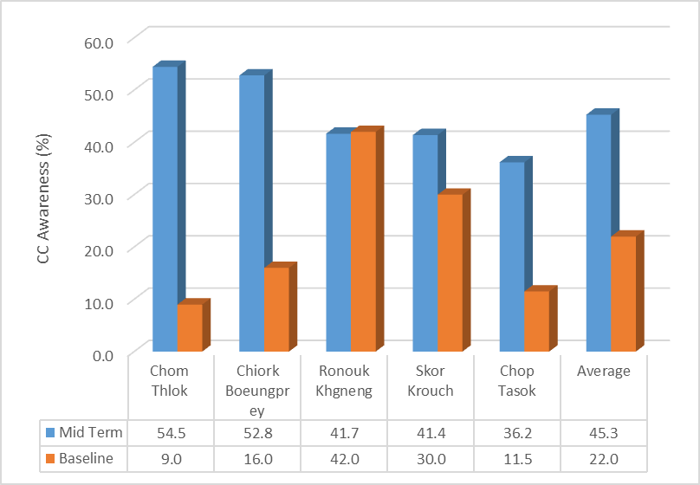
 |  |  | Climate change awareness index
 |  |  | 16%
 |  |  | 10%
 |  |  | 30%
 |  |  | 12%
 |  |  | 42%
...
 |  |  | Concept understood
 |  |  | 6%
 |  |  | 4%
 |  |  | 6%
 |  |  | 0%
 |  |  | 0%
 |  |  |  | A consultant was recruited to undertke a REDD+ feasibility study. The final report has been submitted and approved. Based on the finding of this report, it was recommended that REDD+ is not a feasible option for this project, and therefore no Project Idea Note will be produced. | At least 1 REDD+ feasibility study and Project Idea Note (if applicable) investigating the potential to integrate/promote ecoagriculture or species from multi-use forests into REDD+ projects developed in the first year of the AF project.

 |  |  |  | A land tenure specialist and insitutional expert have been recruited to contribute to the development of CPA management plans. Final reports from both of these consultants have been submitted. The institutional expert, together with the project team, has developed/updated CPA management plans for each of the target CPAs (updating the CPA management plan for Ronouk Khgeng and Chiork Beungprey and developing new plans for the other three CPAs). These four CPA Management Plans are completely finished. | At least 5 CPA management plans developed/revised to incorporate the ecoagriculture approach by the end of the AF project.
...

