Annex2_SLP'results
 | Seasonal Livelihood Programming - SLP

 | Methodology |  |  |  |  | Results

The Three-Pronged Approach (3PA) |  |  |  |  |  | Seasonal Livelihood Programming - Afro-descendants, Colombia |  |  |  |  |  |  |  |  | Seasonal Livelihood Programming - Awá, Colombia |  |  |  |  |  |  |  | Seasonal Livelihood Programming - Afro-descendants, Ecuador |  |  |  |  |  |  |  |  |  | Seasonal Livelihood Programming - Awá, Ecuador

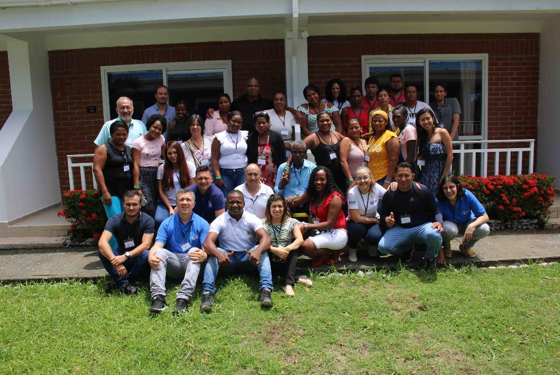
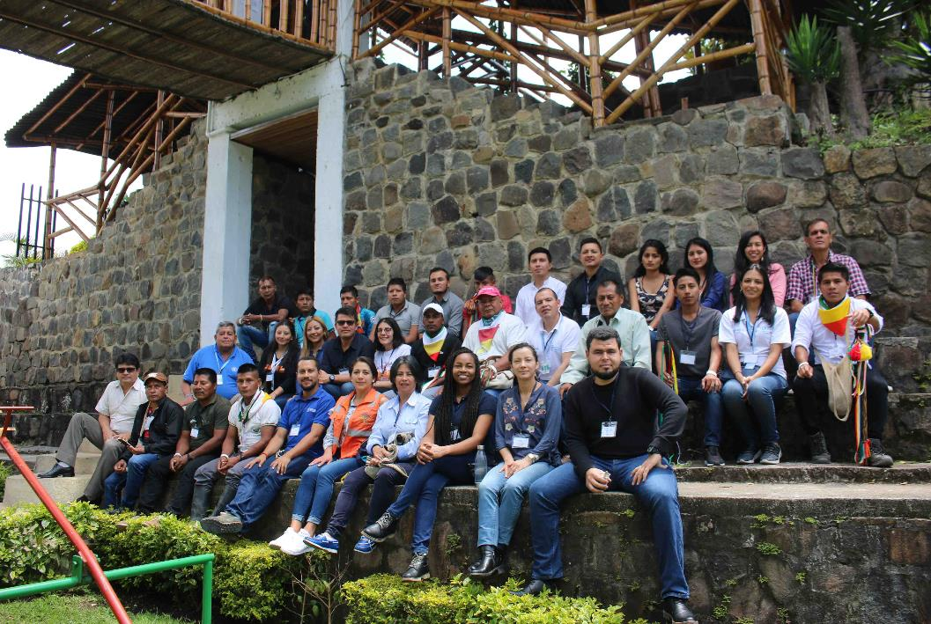

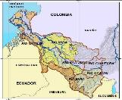
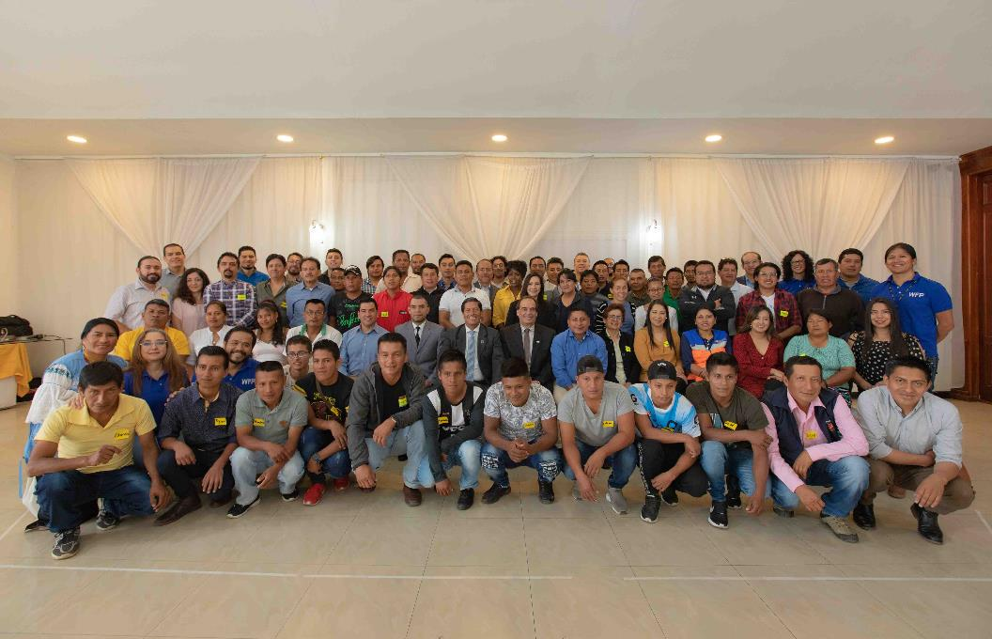
 | 1. Integrated Context Analysis (ICA) at the national level. A collaborative tool used to identify the most appropriate programmatic strategies in specific geographical areas.

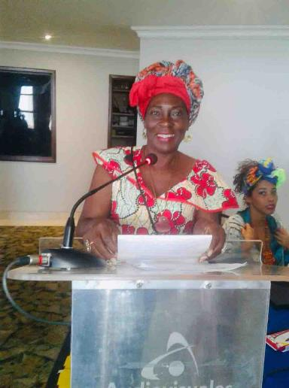
 |  |  |  | The SLP is a planning tool applied at the sub-national level, bringing together local needs and experiences, thus multi-sectoral programmes and interventions can be coordinated, planned and delivered. SLP aims to design and harmonize flexible and longer-term operational plans across institutions and stakeholders.

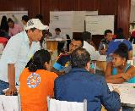
 | 2. Seasonal Livelihood Programming (SLP) at the sub-national level. A programming tool to design integrated operational plans and strengthening partnerships and coordination.

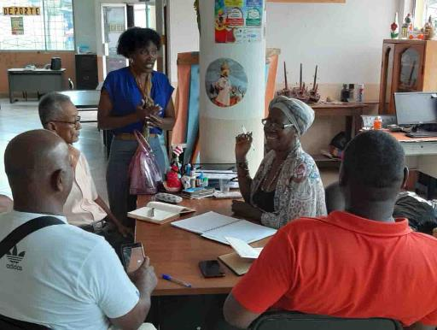
 |  |  |  | It provides the foundations for resilience planning, bringing together both humanitarian and development interventions.

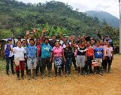
 |  |  |  | SLP is a gender-sensitive tool that takes into account the particular needs of beneficiary groups.
 | 3. Community-Based Participatory Planning (CBPP) at the local level. Develop multi-sectorial plans tailored to local priorities, ensuring prioritisation and ownership by communities.

 |  |  |  | SLP helps to build new partnerships while strengthening existing relations by identifying ways in which multi-sectorial programmes can best complement each other.

 | •Steps

Timeline of good, bad and typical years
Livelihoods
Calendars for typical and bad years
Programmes & Oportunities
Next steps

 |  |  |  |  |  |  |  |  |  |  | (Tumaco, 24 to 27 February 2020) |  |  |  |  |  |  |  |  | (Chachagüí, 09 to 12 March 2020) |  |  |  |  |  |  |  | (Teleconference, 06 April to 28 May 2020) |  |  |  |  |  |  |  |  |  | (Ibarra, 18 to 21 March 2020)

 |  |  |  |  |  | Highlights |  |  |  |  |  |  |  |  | Highlights |  |  |  |  |  |  |  | Highlights |  |  |  |  |  |  |  |  |  | Highlights

 | •Timeline of good, bad and typical years |  |  |  |  | •Developing a timeline of good, bad and typical years - [Afro-descendants, Colombia] |  |  |  |  |  |  |  |  | •Developing a timeline of good, bad and typical years - [Awá, Colombia] |  |  |  |  |  |  |  | •Developing a timeline of good, bad and typical years - [Afro-descendants, Ecuador] |  |  |  |  |  |  |  |  |  | •Developing a timeline of good, bad and typical years - [Awá, Ecuador]

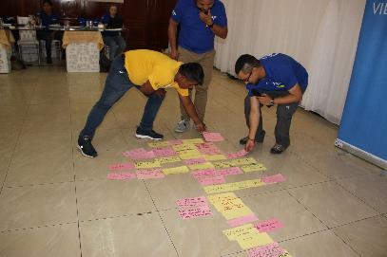
 |  |  |  |  |  |  | Floods |  | Characterized by rainfall increase in the upper part of the watershed that carries torrential streams to the rest of the territory. |  |  | Years (months) | Type of year | TYPE OF EVENTS / TRIGGER FACTORS |  | Fumigation |  | From 1990s, the overuse of chemicals in illicit crops monoculture production led to natural resources degradation (reduced land productivity and deforestation), as well as water resources pollution. |  |  | Year | The Past |  | Landslides |  | Due to seasonal rainfalls during winter and the presence of geological faults, landslides have been one of the main hazards in the main roadways nd neighboring houses in the last 13 years, affecting 1,545 meters of track, 468 people and 5 houses. |  |  | Year | Events | Type of years | Description of the event |  | Floods |  | It is characterized by an increase in rainfalls in the upper part of the watershed, leading to floods in the lower part of the watershed in the Awá territory.

 |  | Objective To identify timelines of shocks and climate-related extreme events at local level, review their trends and frequencies and determine the main causes that contribute to bad years. |  |  |  |  |  |  |  |  |  | 2019 | Bad | Telembí river overflowed, plague attacked forest in San Lorenzo (with impacts in the border area), forest fires. In April, May and December there were heavy rains and in November the Mira river overflowed. High temperature was also recorded. |  |  |  |  |  |  | 1970 | We lived well in armony with nature: communities lived on the fruits of the land and rbood stock and many mingas were held. There were animals and oxygen, traditional medicine was practiced and we bought only salt every two months in the near urban centre. Our main livelihoods was wood extraction (10 5-inch blocks of wood per day) and the main form of payment was based on barter and teaching. There was less population (a house every 5 km and the rest was jungle). We lived better: there were no helicopters and no armed groups. |  |  |  |  |  |  | 2009 | Landslide | Typical | Somes families lost their home and went to a shelter, while other were hosted by relatives and neighbours.
 |  |  |  |  |  |  | Heavy rain |  | This event leads to Mira and Telembí rivers level rising, causing their overflow. |  |  |  |  |  |  | Increased violence |  | The presence of different armed groups has been registered, causing displacement, threats to community leaders and assessinations. |  |  |  |  |  |  |  |  |  |  |  |  |  |  |  | Heavy rains |  | Rainfall anomalies (due to a higher intensity) are trigger factors for bad year than a typical year with average rainfalls.
 |  |  |  |  |  |  |  |  |  |  |  |  |  |  |  |  |  |  |  |  |  |  |  | Floods |  | Heavy rainfalls led to floods in the Cordillera Oriental in the Apaqui river watershed in the Carchi Province, which provides water to the watershed cantons (Huaca, Montúfar and Bolívar), affecting more than 41 people and 4 houses located in the watershed.
 |  |  |  |  |  |  |  |  |  |  |  | 2018 | Bad | Tumaco is declared a special district. Due to high rain, landslide severely affected the community of El Coco: 6 houses damaged, population emotionally impacted and lack of insitutional assistance. |  |  |  |  |  |  |  |  |  |  |  |  |  |  | 2011 | Landslide | Typical | Caused by heavy rainfall and put some houses at risk.
 |  |  |  |  |  |  | Increased violence |  | The presence of different armed groups has been registered, causing displacement and migration, especially of young people. |  |  |  |  |  |  | Increased rainfall |  | It led to floods and sea level rising in the UNIPA communities, as well as landslides in the Resguardo Nulpe. |  |  | 1978 | Good production. |  |  |  |  |  |  |  |  |  |  |  | Landslides |  | Landslides caused by floods and heavy rains in Awá communities.
 |  |  |  |  |  |  |  |  |  |  |  |  |  |  |  |  |  |  |  |  | 1980 | We lived very well: one of the main source of income was wood extraction. We cut wood with artisanal techniques (with a hand saw).
 |  |  |  |  |  |  |  |  |  |  |  | 2017 | Bad | On October 5 a violent fight with the police occurred and 5 people died. J. Cortés, one of the members of the Alto Mira y Frontera Community Council Board, was assassinated. |  |  |  |  |  |  |  |  |  |  |  |  |  |  | 2011 | Flood | Bad | Due to heavy rainfalls the Chota river overflowed, affecting cultivated areas.
 |  |  |  |  |  |  | Water pollution due to oil spill |  | It is mainly caused by attacks to the pipeline and the irresponsible production by some private companies. |  |  |  |  |  |  |  |  |  |  |  | 1981 | Between August and December: drought. Communities could forecast these events. Landslides occurred between December 31 and January 6 every 4 years. Migration was the main solution. |  | Forest fires |  | Forest fires ocurred in La Carolina parish (local government), devastating more than 1,500 hectares of bush and scrub.

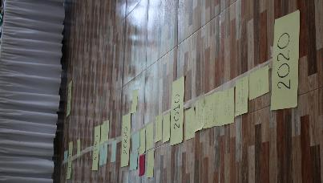
 |  |  |  |  |  |  |  |  |  |  |  | 2016 | Bad | Increase in temperature, sea level rise and a flood caused by the overflow of the Caunapi river. Presence of armed groups. |  | • During the consultation process, Awá community leaders mentioned that, although their livelihoods and lifestyle have been affected by climate change, it is not the main cause of their vulnerability. •Since the 1990s, the overuse of chemicals (especially glyphosate) for illicit crops erradication led to soil degradation and therefore negatively affected crops (mainly those for subsistence). •In addition, it is important to highlight that, due to the indigenous Awá cosmovision, sowing period depends on the lunar cycle and it occur along the year. Therefore, it was not possible to identify the trigger factors between a typical year and a bad year through climate-related events. The evolution of the armed conflict and the cultivation of illicit crops radically changed Awà comunities lifestyle. For this reason, participants stated that it was more relevant to differentiate "The Past" (from 1970s to 1990s) to "The Present" (from 1990s to 2020). |  |  |  |  | 1983 | PES foundation was created, the Andean Bear Conservation project started and a study on native species was carried out. El Niño phenomenon. |  |  |  |  |  |  | 2011 | Landslide | Bad | Due to heavy rainfalls during the winter, some of the 86 houses located in El Juncal are at risk of flood.
 |  | Importance When major shocks, such as droughts or floods, occur frequently, the period between the end of one shock and the start of another one becomes shorter. This results in insufficient time for households to recover from a shock before the next one occurs, which can lead to an accelerated erosion of assets and the implementation of negative coping strategies. Increased exposure to shocks with insufficient time to rebuild and accumulate lost assets and the constant use of negative coping strategies can lead to an eventual loss of livelihoods.
 |  |  |  |  |  |  | •The ENSO-related phenomena, like El Niño and La Niña, have been affecting the Pacific area differently from the rest of the country, as they have been leading to a rainfall increase, while in the rest of Colombia these phenomena have been driving drought and water scarsity. •In the last 10 years, only bad years have been identified, due to the combination of the adverse effects of climate variability, water pollution by oil spills and the increase in violence by different armed groups that have eroded the main agricultural livelihoods, as well as other sources of income. •Although participants identified bad years, they suggest that it is more relevant to talk about “year of loss” in their territories. During this period, communities are used to deal with the adverse effects of climatic variability (increase in intensity and frequency of rainfall and dry periods), or violence, which negatively affect their main agricultural livelihoods and therefore lead to a reduction in income. For this reason, typical years are those “when nothing happens that seriously affects these livelihoods”. |  |  |  |  |  |  |  |  |  |  |  |  |  | 1984 | Communities planted fruits such as papaya, guanabana, orange, "sapote", "caimito", "guamo", "chontaduro". La Planada and Ñembi river forest reserves were created. |  | SLP participants identified that the most difficult years were the following: (2011) due to heavy rainfall with storms, with the parishes of Ambuquí, Salinas and La Carolina were highly affected by landslides and floods in the Cordillera Oriental (the Apaqui river watershed) in the Carchi Province. (2017) Due to heavy rainfalls especially in the Ambuqui and La Carolina sectors, several landslides affected the main roadway, putting houses at risk and isolating several families in the sector (368 meters of road were affected and 26 people living in the neighbouring area). El Salado river also overflowed with floods affecting two families (14 people and 2 houses), 2.5 hectares of various crops and 25 meters of roads. (2019) Heavy rainfalls led to floods in the Eastern Cordillera in the Apaqui river watershed, which provides water to the cantons located in this watershed such as Huaca, Montufar and Bolívar. |  |  |  |  |  |  |  |  |  | Participants identified that the most difficult years were: (2019): high winds, floods, heavy rainfalls in Chical and landslide. Evacuation of families. Mining exploration; (2008): Increased rainfall causing flooding. Landslides in the communities of Esmeraldas, Carchi and Imbabura. Loss of production in coastal region and in the mountains, due to deforestation; (1970) Landslide, earthquake and tsunami. Seasonal changes and impact on agriculture.
 |  |  |  |  |  |  |  |  |  |  |  | 2015 | Bad | Oil spill in the Mira River due to attacks by armed groups. The representative of the Alto Mira y Frontera community council died. Cocoa receives an award of excellence. |  |  |  |  |  |  |  |  |  |  |  |  |  |  | 2012 | Forest fire | Typical | A forest fire occurred in Cerro San Pablo. Local fireworkers and community members provided assistance.
 |  |  |  |  |  |  |  |  |  |  |  |  |  |  |  |  |  |  |  |  | 1985 | We lived well: our main sources of incomes were brood stock management and agriculture (Chiro (plantain) and cassava). Landslides occurred between December 31 and January 6 every 4 years. Migration was the main solution.
 |  |  |  |  |  |  |  |  |  |  |  |  |  |  |  |  |  |  |  |  |  |  |  |  |  |  |  |  | 2012 | Landslide | Typical | In June, a landslide occurred in Guadual. This event frequently takes place in this area due to the geological fault.
 |  |  |  |  |  |  |  |  |  |  |  | 2014 | Bad | In July and August, drought led to crop losses. |  |  |  |  |  |  |  | The Present

 |  |  |  |  |  |  |  |  |  |  |  |  |  |  |  |  |  |  |  |  | 2000 | Conflict and presence of armed groups. Threats and assassinations of Awá leaders. Illicit crops were planted around the "Resguardos". The Piedra Sellada Reserve was negatively impacted by fumigation, leading to land erosion. |  |  |  |  |  |  | 2012 | Landslide | Typical | Due to rainfall increase during winter, landslide affected main roadway.
 |  |  |  |  |  |  |  |  |  |  |  | 2013 | Bad | Blackouts due to windstorms. FARC attack to the pipeline.
 |  |  |  |  |  |  |  |  |  |  |  |  |  |  |  |  |  |  |  |  | 2001 | Bad year due to the presence of armed groups. Threats and assassinations of Awá leaders. Illicit crops and fumigation. |  |  |  |  |  |  | 2012 | Winds | Typical | Some houses were affected due to very strong winds.

 |  |  |  |  |  |  |  |  |  |  |  | 2012 | Bad | in February attack to the police station. Displacement by armed groups in La Unión community. |  |  |  |  |  |  | 2002 | First fumigation occurred in the Awá territory. Presence of armed groups. Threats and assassinations of Awá leaders. Mining activities and increased malnutrition. |  |  |  |  |  |  | 2012 | Collapse of irrigation system | Bad | Due to the increase in rainfalls during winter, the flood of the Ambuqui Gorge led to the collapse of local irrigation system, affecting access to water.

 |  |  |  |  |  |  |  |  |  |  |  |  |  |  |  |  |  |  |  |  | 2003 | Fumigation. Increased presence of armed groups and displacement Threats and assassinations of Awá leaders. 10 April: Creation of the Quejuambi Feliciana reserves (2,200 ha)
 |  |  |  |  |  |  |  |  |  |  |  | 2011 | Bad | Strong winds severely damaged the roofs of houses. Winter wave. |  |  |  |  |  |  |  |  |  |  |  |  |  |  | 2013 | Forest fire | Typical | Several forest fires ocurred in the parishes of Lita, Ambuqui, Carolina, Salinas, affecting crops, bushes and forests.
 |  |  |  |  |  |  |  |  |  |  |  |  |  |  |  |  |  |  |  |  | 2004 | February 7: first educational centres were created. Sacred sites in Magui were bombed and taken as military bases. Law (Car 004) on the protection of Awà population was adpoted. August 3: The population returns to its territories without guarantees of protection. Bad year due to fumigation, illicit crops, threats and assassinations of Awá leaders due to the presence of armed groups.

 | •“Trigger factors” |  |  |  |  | •“Trigger factors” - [Afro-descendants, Colombia] |  |  |  |  |  |  |  |  | •“Trigger factors” - [Awá, Colombia] |  |  |  |  |  |  |  | “Trigger factors” - [Afro-descendants, Ecuador] |  |  |  |  |  |  |  |  |  | •“Trigger factors” - [Awá, Ecuador]

 |  | Objetive: To identify the main factors that contribute to the change between a typical year and a bad year, considering the perceptions of men and women. |  |  |  |  | Men |  |  |  |  | Women |  |  |  | Men |  |  |  |  | Women |  |  | Men |  |  |  |  | Women |  |  |  |  | Men |  |  |  |  | Women
 |  |  |  |  |  |  | •Climate variability: in the past the pattern was bimodal (6 months of summer- 6 months of winter), while now a dry period during Lent (March-April) is frequent; |  |  |  |  | •Climate variability: floods are drivers of mosquitoes and other insects that are vectors of climate-related illnesses. |  |  |  | •Greater uncertainty and intensity in the rainy and summer seasons. |  |  |  |  | •Uncertainty on climate patterns: increase in rainy and dry periods. |  |  | •Displacement of Colombian families as a result of the armed conflict; |  |  |  |  | •Increasing number of mangrove users and implementation of bad practices on Mangrove Ecosystem management; |  |  |  |  | •Changes in rainfall patterns: heavier rainfalls and more prolonged droughts; |  |  |  |  | •Strong winds and floods affecting crops and damaging infrastructure;
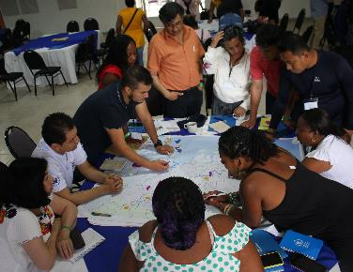
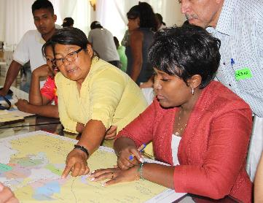

 |  |  |  |  |  |  | •Increased violence by armed groups; |  |  |  |  | •Use of chemicals in agriculture (reduction of land productivity) and fishing; |  |  |  | •Increased violence by armed groups - Planting of illicit crops. |  |  |  |  | •Changes in their healthy diet and traditional food preparation and consumption. |  |  | •Lack of alternative sources of income and employment; |  |  |  |  | • Chota - Mira river overflow and changes in its riverbed; |  |  |  |  | • Watershed pollution negatively affecting water provision (rivers, estuaries); |  |  |  |  | •Families need to go to urban centres to access to food, leading to higher expenditures.

 |  |  |  |  |  |  | •Monopoly of the palm company. |  |  |  |  | •Increased violence that lead to migration, especially among young people. |  |  |  | •Changes in their healthy diet and traditional food preparation and consumption. |  |  |  |  | •Increased violence by armed groups. |  |  | •Floods and heavy rainfalls, leading to landslides; |  |  |  |  | • The lack of harvest and therefore income force women to work in informal commercial activity ("cacho" and street sales); |  |  |  |  | •Decreasing river flows; |  |  |  |  | •Impact on agricultural production implies the increase of the barter or exchange of available food, as well as the use of other solidarity strategies;

 |  |  |  |  |  |  |  |  |  |  |  |  |  |  |  | •Glyphosate fumigation causing environment degradation. |  |  |  |  | •The economy related to illicit crops and new conceptions of well-being; |  |  | •Drought affects the availability of water resources for irrigation in the communities of the Mira river watershed, preventing them from crops planting. |  |  |  |  | •Migration of several Afro-Ecuadorian families to Quito (capital) or Ibarra due to the lack of diversified sources of income and employment. |  |  |  |  | •High presence of pests with a decrease in crop yields; |  |  |  |  | • Increase of women's care work; community provides support on family care.

 |  |  |  |  |  |  |  |  |  |  |  |  |  |  |  |  |  |  |  |  | •Gender inequality and domestic violence: men mainly manage family income, which has been used to buy drinks during the weekend, thus contributing to domestic violence. |  |  | •Changing cropping patterns due to changes in rainfall cycles; smallholder farmers have lost ancestral knowledge on climate forecasts. |  |  |  |  | •Presence of pests / diseases in tomato crops increased production costs, negatively affecting the employment of women in this activity during post-harvest. |  |  |  |  | •Deforestation increase (loss of native species and crops, fragmentation of habitats). |  |  |  |  | •Crisis copying strategies are implemented, such as looking for job (mainly men work as day labourers); there is temporary migration.

 | •Livelihoods |  |  |  |  | •Livelihoods - [Afro-descendants, Colombia] |  |  |  |  |  |  |  |  | •Livelihoods - [Awá, Colombia] |  |  |  |  |  |  |  | •Livelihoods - [Afrodescendants, Ecuador] |  |  |  |  |  |  |  |  |  | •Livelihoods - [Awá, Ecuador]

 |  |  |  |  |  |  | Men |  |  |  |  | Women |  |  |  | Men |  |  |  |  | Women |  |  | Men |  |  |  |  | Women |  |  |  |  | Men |  |  |  |  | Women
 |  | Objective To identify the main communities livelihoods with a special emphasis on food security and nutrition with gender-sensitive lens, as well as determine the period of the year in which people (both women and men) are engaged in different activities according to their livelihoods. |  |  |  |  | •Paid work (trade, restaurants, hotels, transport, street vendors, master builders, teachers); |  |  |  |  | •Paid work (street vendors, magazine sales, palm oil companies); |  |  |  | •Paid work (river transport, trade, restaurants, hotels, transport, street vendors, master builder, teachers); |  |  |  |  | •Unpaid work (community plots, homework and family care); |  |  | •Agriculture |  |  |  |  | •Aquaculture (shell collecting); |  |  |  |  | •Paid work |  |  |  |  | •Collecting
 |  |  |  |  |  |  |  |  |  |  |  |  |  |  |  |  |  |  |  |  |  |  |  | •Fishing |  |  |  |  | •Aquaculture (rfish breeding in pools); |  |  |  |  | •Agriculture |  |  |  |  | •Handcrafts and Tourism
 |  |  |  |  |  |  | •Agriculture |  |  |  |  | •Unpaid work: homework, carework and breeding of small species |  |  |  | •Agriculture |  |  |  |  | •Handcrafts |  |  | •Livestock |  |  |  |  | •Brood stock management; |  |  |  |  | •Wild forest species (vegetable, animal, medicinal) |  |  |  |  | •Agriculture
 |  |  |  |  |  |  | •Brood stock management |  |  |  |  | •Handcrafts |  |  |  | •Harvest from wild forest (vegetablas, small animals, medicinal plants) |  |  |  |  | •Agriculture |  |  | •Forest exploitation |  |  |  |  | •Unpaid activities (home and familiy care) |  |  |  |  | •Fishing |  |  |  |  | •Hunting / Fishing
 |  |  |  |  |  |  | •Fishing |  |  |  |  | •Agriculture |  |  |  | •Fishing |  |  |  |  | •Fishing |  |  | •Paid work |  |  |  |  | •Paid work |  |  |  |  | •Hunting |  |  |  |  | •Traditional medicine
 |  |  |  |  |  |  | •Hunting |  |  |  |  | •Fishing |  |  |  | •Hunting |  |  |  |  | •Traditional medicine |  |  | •Agricultural health |  |  |  |  | •Informal trade |  |  |  |  | •Plantations / Wood extraction |  |  |  |  | •Animal breeding
 |  |  |  |  |  |  | •Wood extraction |  |  |  |  |  |  |  |  | •Wood extraction |  |  |  |  |  |  |  | •Ecotourism |  |  |  |  | •Medicine |  |  |  |  |  |  |  |  |  | •Human health
 |  |  |  |  |  |  | •Tourism |  |  |  |  |  |  |  |  |  |  |  |  |  |  |  |  |  |  |  |  |  | •Ecotourism

 | BUILDING SEASONAL LIVELIHOOD CALENDARS |  |  |  |  |  | BUILDING SEASONAL LIVELIHOOD CALENDARS - [Afro-descendants, Colombia] |  |  |  |  |  |  |  | BUILDING SEASONAL LIVELIHOOD CALENDARS - [Awá, Colombia] |  |  |  |  |  |  |  | BUILDING SEASONAL LIVELIHOOD CALENDARS - [Afrodescendants, Ecuador] |  |  |  |  |  |  |  |  |  | BUILDING SEASONAL LIVELIHOOD CALENDARS - [Awá, Ecuador]

 | •Seasonal Livelihood Calendar - Typical year |  |  |  |  | •Typical year |  |  |  |  |  |  |  |  | • "The Past" |  |  |  |  |  |  |  | •Typical year |  |  |  |  |  |  |  |  |  | •Typical year
 |  |  |  |  |  |  |  | In a typical year the rainfall pattern occurs from January to July, with rain peaks in January and May, while April and July are the months with the least rainfall. Regarding dry periods, they usually occur in March-April and July-November, with September as the driest month of the year. |  |  |  |  |  |  |  | In "The Past" the territory of the Resguardo Nulpe was characterized by well-marked rainy periods (September-May) and dry season (June-August), while in the communities of the UNIPA organization there were higher rainfall in the months of September to February, with a drier season in the months of March - April (when Easter ended), and June - August. The Awá communities can forecast what would be going to happen in the next year during December until the first six days of January ("we saw if the river grows between December 31 or maximum until January 6..."), when they could forecast climate-related events or seasonal anomalies. |  |  |  |  |  |  |  |  |  |  |  |  |  |  |  |  |  |  | In a typical year rainfall occurs from December to May, with peaks in February and March, while July and August are the months with the least rainfall. Regarding dry season, it usually occur between June and October, with August being the driest month of the year.
 |  | Objective To create yearly seasonal calendars that capture peoples’ livelihoods and when events that affect them occur, as well as the different activities that people do throughout the year and the changes between typical and bad years, thus highlighting the different impacts on livelihoods.

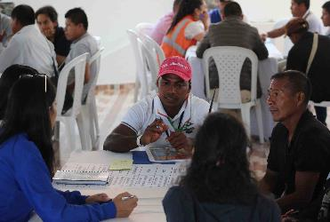
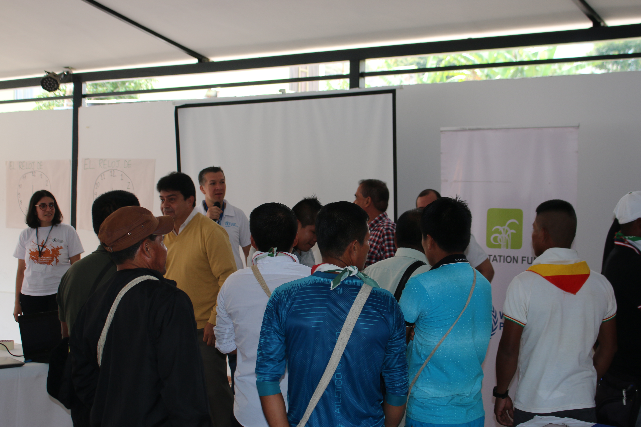

 |  | Seasonal livelihood calendar colour code

 |  | As shown in the table below, different colours refer to specific impacts levels.

 |  | NEGATIVE | VERY NEGATIVE | NEGATIVE INDICATORS

 |  | POSITIVE | VERY POSITIVE | POSITIVE INDICATORS

 |  | POSITIVE | VERY POSITIVE | POSITIVE INDICATORS

 | •“Trigger months” |  |  |  |  | •“Trigger months” |  |  |  |  |  |  |  |  | •“Trigger months” |  |  |  |  |  |  |  | •“Trigger months” |  |  |  |  |  |  |  |  |  | •“Trigger months”

“Trigger months”: Scenario that triggers a bad year - refers to those months when conditions change and lead to a bad year.
 |  |  |  |  |  |  |  |  |  | The scenario that triggers the “year of loss” is mainly associated with an increase in the duration and intensity of the rainfalls, which causes the overflow of rivers and streams. These changes can occur during months, weeks, days and in certain cases in a few hours. |  |  |  |  |  |  |  |  | The scenario that triggers the "Current time" is mainly associated with the illicit crops monoculture production in the territory and the consequent aerial spraying with glyphosate. A change in the frequency and intensity of the rainy and dry seasons is evidenced. |  |  |  |  |  |  |  | The scenario that triggers “the bad year” is mainly associated with the frequency and intensity of the rainy seasons that cause landslides and floods. |  |  |  |  |  |  |  |  |  | The scenario that triggers the bad year is associated with an increase in the duration and intensity of rainfalls.
 |  | A |  |  | B

 | •Seasonal Livelihood Calendar - Bad year |  |  |  |  | •“Year of loss” |  |  |  |  |  |  |  |  | •"The Present" |  |  |  |  |  |  |  | •Bad year |  |  |  |  |  |  |  |  |  | •Bad year
 |  |  |  |  |  |  |  | During the SLP, participants stated that it is more appropriate to talk about “Year of loss” in their territories, with negative impacts on their livelihoods and a reduction in family income. As Afro communities are affected by these extreme climate-related events, they implement coping strategies to survive. A "Year of loss" in the Alto and Bajo Mira and Frontera region is characterized by an increase in the intensity and duration of rainfalls, which leads to river level rising. |  |  |  |  |  |  |  |  | From 1990s ("The Present"), illicit crops monoculture production and its related fumigation negatively impacted rAwá leaders livelihoods and their relationship with nature. Native seeds and traditional products were lost, natural resources degradation (soil erosion and water pollution) was combined with a reduced productivity of main crops and the spread of human diseases. The adverse effects of climate variability (such as El Niño phenomenon, more intense and frequent rainfalls, sea level rising and landslides) have been exacerbating the vulnerability of these communities. |  |  |  |  |  |  |  |  |  |  |  |  |  |  |  |  |  | In a bad year heavy rainfalls occur from December to July, with peaks in January and February, while August and September are the months with the least rainfall. Regarding dry season, it usually occurs between June and September, with August being the driest month of the year for Awá communities.

 |  | Main impacts experienced by communities when a shock hits are captured in bad years. These take as reference the ‘trigger months’, reflecting the first part of the rainy season that determines whether the cultivation and growing period may be compromised and lead to poor harvests and a bad year.

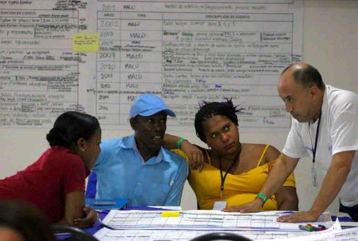
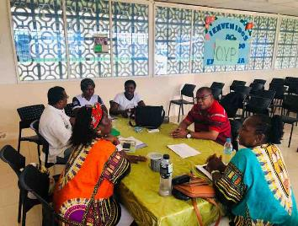

 | •Household vulnerability profiling |  |  |  |  | •Vulnerability profiles characterization - [Afro-descendants, Colombia] |  |  |  |  |  |  |  |  | •Vulnerability profiles characterization - [Awá, Colombia] |  |  |  |  |  |  |  | •Vulnerability profiles characterization - [Afrodescendants, Ecuador] |  |  |  |  |  |  |  |  |  | •Vulnerability profiles characterization - [Awá, Ecuador]

 |  | Objective To define household profiles of vulnerability in relation to food security and exposure to shocks. It is based on four overall vulnerability household profiles, all of which are likely to be found in any community: |  |  |  |  | Group A [Resilient - Already benefiting from growth and development] |  |  |  |  | Group C [Highly food insecure from last or consecutive shocks] |  |  |  | Group A [Resilient - Already benefiting from growth and development] |  |  |  |  | Group C [Highly food insecure from last or consecutive shocks] |  |  | Group A [Resilient - Already benefiting from growth and development] |  |  |  |  | Group C [Highly food insecure from last or consecutive shocks] |  |  |  |  | Group A [Resilient - Already benefiting from growth and development] |  |  |  |  | Group C [Highly food insecure from last or consecutive shocks]

 |  |  |  |  |  |  | These households are food secure and resilient and will already benefit from growth and development through their own efforts. They are likely to manage difficult seasons and shocks. In this group people own approximately 10 hectares of land, where they mainly plant cocoa, banana and palm. They have cattle (10-12 heads) and also brood stock (approximately 16 pigs and 15 chickens). Other sources of income are fish ponds and/or artisanal fishing, collecting daily 20kg of fish and / or up to 400 units of shells. They hire up to two day laborers for productive activities. In addition, they have additional income through the rent of premises or houses, the timber trade, the rental of equipment and also through the informal economy. They trade their products in the main urban centres of the region and sometimes even in Ecuador. Parents have primary education, while young people go to universities or get technical education. In this group families live in houses with a cement floor, wooden walls and a zinc roof. They buy bagged water and / or take water from rivers through a motor pump and then purify with filters. They also have additional assets such as boats, boat motors and / or cars. |  |  |  |  | This group includes the majority of vulnerable communities in the Alto Mira and Bajo Mira y Frontera community councils. Their high food insecurity is the result of the erosion of their livelihoods due to the adverse effects of climate variability and the recurrent violence in the territory for the presence of different armed groups. They would benefit from interventions that would improve their livelihoods and strengthen their capacities to adapt to the effects of climate variability. Complementary actions that improve access to basic services are needed, as, without this assistance, this population is at risk of falling into extreme poverty. People own between half and one hectare of land, where they plant cocoa, bananas and fruit trees. They only have brood stock (2-5 pigs and 2-25 chickens). Other source of income is fishing, collecting in normal conditions a maximum of 20kg of fish and 30 to 100 units of shells. They do not hire day labourers, but they use the "hand exchange" (support from friends and / or neighbours to do some agricultural activity). In addition, they earn additional income as day labourers in the construction sector, dressmaking and selling fried food in the street. They exchange their products through minga and barter. The educational level is basic (primary and baccalaureate in some cases). They live in a house with a plastic or thatch roof, a "guadua" (type of bamboo) wall and a dirt and guadua floor. They have access to river water and some streams; in some cases they have water wells. As additional assets they only have work tools. |  |  |  | These households represent a small minority of the Awá population and are food secure and resilient and will already benefit from growth and development through their own efforts. They are likely to manage difficult seasons and shocks. In this group people own from 6 to 10 hectares (some elderly people own more, but as it is distributed among different family members), where they plant chiro, sugar cane, corn, cassava, beans and "lulo", among others. They have cattle (8-20 heads) and brood stock (5-10 pigs, 30-50 chickens, 10-20 ducks and up to 11 turkeys). They can also own tilapia or cachama farms. They generally hire day labourers for hunting, construction, planting, harvesting and care of property, or for their own safety. They get additional income as teachers, tourism, public employment and/or trade. They trade their farming products (cassava, plantain, chickens, cattle) within the community or in nearby towns and in some cases also in the border area with Ecuador. The educational level varies from being illiterate to master degree. They live in houses with cement and ceramic floors, table or thin wood and Eternit walls, plastic or zinc roof. The communities near to main roads have access to water from the aqueduct, while in remote areas households access from streams through motor pumps and they also store water. They have additional assets, such as a house, car, motorcycle, farm, scythes, canoes, outboard motors and stoves. They have access to conventional and traditional medicine. |  |  |  |  | This group includes the majority of the vulnerable Awá communities of Resguardo Nulpe and UNIPA organization. Their high food insecurity is the result of the erosion of their livelihoods due to the adverse effects of climate variability, illicit crops monoculture production and the increased violence in the territory for the presence of armed groups. They would benefit from interventions that would improve their livelihoods and strengthen their capacities to adapt to the effects of climate variability. Complementary actions that improve access to basic services are needed, as, without this assistance, this population is at risk of falling into extreme poverty. Households are composed approximately by 1 to 15 people, they own between ¼ and 3 hectares of land, where they plant chiro, corn, sugar cane, cassava, and lemon. They have a maximum of 5 heads of cattle (mainly sheep) and brood stock (maximum 3 pigs, 10 guinea pigs, 5-10 chickens). Other important livelihoods are hunting and fishing, collecting 1-2 kg of various types of fish weekly. They do not hire day labourers, but they earn additional income as day labourers cleaning yards, "coca scraping", as master builder in construction and/or wood extraction. They exchange their products in the same community through barter, considering that the majority are for self-consumption. The educational level is basic (maximum of the fifth year of primary education). Their houses are made up of plastic or leaf roof, chonta plank wall and chonta or guayacán pile floor and wood walls. They have access to water not suitable for human consumption through the river. Additional assets are work tools. |  |  | These households represent a small minority of the Awá population and are food secure and resilient and will already benefit from growth and development through their own efforts. They are likely to manage difficult seasons and shocks. In this group families own approximately 125 hectares, but some families have around 200 hectares, depending on the location, or 20 hectares. The majority do not cultivate as land are not fertile; land owners are mainly men, while women access to inherited land. Main crops are grass, coconut, banana, corn, cocoa, cassava and fruit trees. Agriculture is traditionally a male-led sector, while women In agriculture, women have a role of accompaniment/support, although agriculture is considered to be men´s work, since it requires physical strength, while women just support these activities. They own livestock (a maximum of 45 heads and a minimum of 10 of cattle, depending on families location) and brood stock (5 to 10 pigs). Other sources of income are timber trade, shops, discotheques, or other self-employed businesses, while in the mangrove area the sale of bio-aquatic products. They live in house with cement floor and walls and Zinc and / or "duratecho"roof. Families access to water through the aqueduct, while in the mangrove area through wells and rain harvesting, in addition to water barrels. With water scarcity, especially in the mangrove area, mainly women, boys and girls gather water from wells. Additional productive assets are chainsaws, spikes, bars, machetes, shovels and in the mangrove area boats with outboard motors, power generators and bank accounts. Only men use work tools. Families trade their products in the cantonal capital, in nearby communities and/or in the city of Ibarra (grain warehouses and wholesale market). |  |  |  |  | Their high food insecurity is the result of the erosion of their livelihoods due to the adverse effects of climate variability. They are not resilient because their livelihoods are fragile. They fail to recover with their own efforts due to their limited capacity to rebuild their assets and livelihoods. In this group families own on average 2, 4, 6 or even up to 90 hectares, but they only cultivate a part, depending on their location. Traditionally men have been managing land, while women do not own land. They do not carry out crop diversification and among the main crops are the Chilean banana, medicinal plants, cocoa, guanabana, coconut, mango, beans, corn, pepper, chili, fruit, among others; women (who also are in charge of brood stock management, as well as homework) and men are both involved in agriculture. Other sources of income are: i) working on palm trees on farms belonging to other families, ii) collecting shells, fishing, and iii) tourism, depending on the area. Families have basic education, while young people, especially men, get higher education, as young women get pregnant. They live in houses with a tile or zinc roof, cement or wood floors, cement walls or earth bricks. In some cases families own their houses, in other cases it is loaned, while young families live in their parents' houses or on loan. They access to water through the aqueduct (in the upper area (Valle del Chota)), while in the mangrove through wells, or rainwater harvesting (mainly women are in charge of it), in addition to packaged water. In general, families have rudimentary productive assets for agricultural and/or fishing work. Labour is also provided through family mingas, according to their physical capacity. The means of transport is public buses. |  |  |  |  | These households are food secure and resilient and will already benefit from growth and development through their own efforts. They are likely to manage difficult seasons and shocks. In this group people can own approximately 29 to 200 hectares of land, where they mainly cultivate plantain, corn, cocoa, coffee, cassava, Chinese potatoes, "naranjilla", among others. They have cattle (50 heads on average), and approximately 20 pigs per family. Additional sources of income are handcrafts such as marimbas, fans and bass drums, production of panela (resulting from sugarcane), selling honey and prepared food in the streets. They also work with community-based tourism. Young people generally have high school and some of them have the chance to attend university. Their houses are made of "duratecho", guadua (like a bamboo), chonta, guayacán, canelo among other woods, in some cases they use "guacamay" leaves. As productive assets, they have bank savings accounts and sugar mills ("Trapiche"). They trade agricultural products at national level, although many of them are for self-consumption. They do not hire (day) labourers. 6 out of 10 people access public health system, and some of them may even have private health insurance. |  |  |  |  | Their high food insecurity results from the erosion of their livelihoods due to the adverse effects of climate variability and their limited ability to rebuild their assets and livelihoods. They would benefit from interventions that improve their livelihoods, build resilience and strengthen their capacities to adapt to the effects of climate variability. omplementary actions that improve access to basic services are needed, as, without this assistance, this population is at risk of falling into extreme poverty. Families often own land: the main crops in Mataje Alto are chiro, cassava and corn as well as in the Pambilar community; in Guadualito, chiro, cacao and cane, while coffee and cocoa in the communities of Sucumbíos. They have brood stock: in Sucumbíos one pig per family due to local government assistance (Prefecture), while in Pambilar and Mataje 4 heads of cattle per family. Additional sources of income are day labour,chandcrafts and occasional crops. Families mentioned that they have still been benefiting from the Socio-Forest Program of the Ministry of Environment of Ecuador in Mataje Alto. In communities such as Pambilar, Guadualito, Jesús del Gran Poder, Pailón, Río Verde, people have primary education, and in some cases even baccalaureate. Families live in houses with chonta and medra wood and zinc roofs. Productive assets are "machete", shovel, pick, rake and motor pump. They trade minor crops or small animals in the cantonal capitals, although mainly self-consumption and barter within communities still prevail. For this reason, the practice of minga still persists and they hire workforce "only sometimes".

 |  |  |  |  |  |  | Gruop B [Food secure under no major shocks] |  |  |  |  | Group D [Highly food insecure, including destitute] |  |  |  | Gruop B [Food secure under no major shocks] |  |  |  |  | Group D [Highly food insecure, including destitute] |  |  | Group B [Food secure under no major shocks] |  |  |  |  | Group D [Highly food insecure, including destitute] |  |  |  |  | Gruop B [Food secure under no major shocks] |  |  |  |  | Group D [Highly food insecure, including destitute]

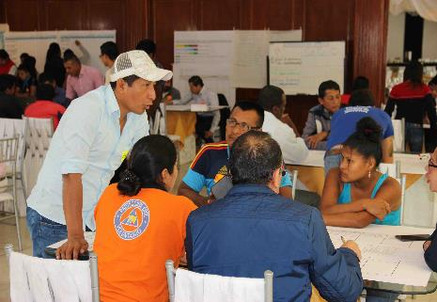
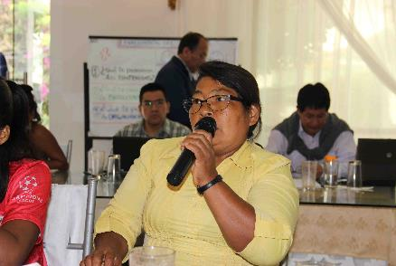
 |  |  |  |  |  |  | These households are moderately resilient and vulnerable to food insecurity during difficult seasonal times or during a disaster, without compromising assets or livelihoods through negative coping strategies. They are at risk of sliding downwards (into Group C) if no livelihood protection actions are implemented. In this group people own approximately from one / two to five hectares of land, where they plant cocoa and plantain. They have cattle (maximum 10 heads) and brood stock (2-12 pigs and 10 chickens). Anothe important source of income is fishing, collecting a maximum of 5kg of fish and 100 to 200 units of shells daily. They hire a maximum of one day labourer. In addition, they gain additional income through river and land transport (motorcycle taxi) and door-to-door selling. They trade their products mainly in the community and in the near urban centres and sometimes to Ecuador (only agricultural and fishing products). The educational level of group B is basic (primary and high school in some cases). They live in a house with a wooden or cement floor, wood, cement or brick walls and tile roof. They have access to water from the river and/or some streams and have underground wells. They have additional assets such as farm, house, scythe, boat motors and / or motorcycle. |  |  |  |  | These highly food insecure households are the most vulnerable, with little or no asset ownership and no or extremely limited income sources. Food insecurity for this group is likely to be chronic, and therefore requires a different set of programming support aiming at alleviating poverty and strengthening and diversifying alternative assets. People do not usually have land, but in some cases they have a maximum of one hectare with few crops that they plant in their own land or other people's land. As for fishing, they collect half a kilo of fish or a kilo of shells daily, which are not enough to cover family's basic food needs. The monthly income is very low and includes inkind donations. They do barter and/or sell fruit, only under urgent need. They are illiterate or at most some achieved primary education. They have access to water from the river or streams (not suitable for human consumption). Their houses are made of plastic or zinc roof, "guadua" wall and a dirt floor. |  |  |  | These households are moderately resilient and vulnerable to food insecurity during difficult seasonal times or during a disaster, without compromising assets or livelihoods through negative coping strategies. They are at risk of sliding downwards (into Group C) if no livelihood protection actions are implemented. In this group people own approximately 3 to 6 hectares of land, where they plant plantain, cassava, sugarcane, banana, pineapple, beans, lemons and borojo, among others. They have cattle (5-8 heads) and brood stock (15-30 chickens, 3-5 pigs, 10-15 guinea pigs and 10-15 ducks). Another important source of income is fishing, collecting 1-2kg of shad, sabaleta, mojarra, guaña, lisa on a weekly basis. They also hunt wild mouse, rabbit, fox, deer, among others. They hire day labourers mainly for harvesting, only if necessary, because the work is usually made through "mingas". They earn additional income as day labourers and through handcrafts. They trade their products within the community, especially during events and meetings and in nearby towns. In the Resguardo Nulpe communities trade "lulo", "naranjilla" and cane in the border area with Ecuador. The educational level of the family varies from being illiterate to high school. They live in a house with a fine wood floor and wall and a zinc roof. They have access to water not suitable for human consumption through the river, gourds, or by channels made up of guadua (a bamboo-like grass plant). They have additional assets like horses, baskets, tools, canoe, chainsaw, shotgun, house and scythe. They usually have access to health services through traditional medicine and medical brigades. |  |  |  |  | These highly food insecure households are the most vulnerable, with little or no asset ownership and no or extremely limited income sources. Food insecurity for this group is likely to be chronic, and therefore requires a different set of programming support aiming at alleviating poverty and strengthening and diversifying alternative assets. Households are composed by 1 - 20 people, they own a maximum of ¼ hectare (most inherited the land where at least the house could / can be built), where they paltn various species. They have a maximum of 3 chickens. Additional livelihoods are hunting through traps made with sticks and available materials in the territory, and also artisanal fishing, through hooks, fishing pens, among others. They sell baskets and other agricultural products, such as chiro, in the community or in the town. They are illiterate or at most have primary education. They have access to water not suitable for human consumption through a creek with a gourd or bucket or through channels made up bamboo (Guadúa) that feed on a reservoir. They live in houses with wood floor and ceiling, palm leaf and cuasvil, and they use a gualte or pambil as bed. As additional assets, they have only their work tools. |  |  | These households are moderately resilient and vulnerable to food insecurity during difficult seasonal times or during a disaster, without compromising assets or livelihoods through negative coping strategies. They are at risk of sliding downwards (into Group C) if no livelihood protection actions are implemented. In general in this group families own from 14 to 20 hectares of land, in Valle del Chota from 10 to 15 hectares, but most of them are forests, so only a part is for cultivation. In other areas families own to 5 hectares but they cannot plant due to lack of water for irrigation. Men mainly own land, while women access to inherited land. The main crops are coconut, mango, orange, coconut, cocoa, banana, chili, among others, depending on the location. Women are involved in the whole process of cultivation, but mainly during harvesting. Families have from 4 to 10 pigs, mainly located near the houses and women, boys or girls are in charge of brood sotck management. They own livestock (6 to 12 cows): the higher the livestock number, the more control men exercise on them. Additional sources of income (are the sale of bio-aquatic products (mainly in the mangrove area), wood, food preparation or others. In the upper area (Valle de Chota) more men than women are engaged in public/private formal employment, have their own businesses or are day labourers. They live in houses houses with a zinc roof, a treated wood or cement or ceramic floor and earth brick walls. They access to water through aqueduct, wells, or through rainwater harvesting, in addition to packaged water. Additional productive assets are vessels with outboard motors, power generators, bank accounts, among other equipment and/or minor tools for agricultural work. These families hire very few labour work during harvest or for sowing, since they can count on family support. |  |  |  |  | These highly food insecure households are the most vulnerable, with little or no asset ownership and no or extremely limited income sources. Food insecurity for this group is likely to be chronic, and therefore requires a different set of programming support aiming at alleviating poverty and strengthening and diversifying alternative assets. in this group families do not own land, because they have sold it to palm growers or logging companies; heads of household work as day labourers on local palm farms and women in shell collecting and fishing. They do not have cattle or pigs. As alternative sources of income, men work as day labourers in the wood extraction sector, fish and shells trade and some women work in paid domestic employment. Some people have basic education, others only primary (mainly men, due to the low income of families). They live in houses with tile (in the upper area) or straw roof, wooden or cement floor and mud bricks walls. They access to water is through aqueduct (80% of the population of the upper area), and they also use well water for personal hygiene and household cleaning and rainwater harvesting for consumption. Communities in remote areas acces through "water holes" or from the river (wich is not suitable for human consumption). The productive assets are: machetes, shovels, canoes, trammel and minor agricultural work tools. They trade their products in their own communities to intermediaries, while women barter products in smaller quantities and only in some communities. These families do not hire day labourer, since they work as day labourers. Main Transport is public and river transport in some communities. |  |  |  |  | These households are moderately resilient and vulnerable to food insecurity during difficult seasonal times or during a disaster, without compromising assets or livelihoods through negative coping strategies. They are at risk of sliding downwards (into Group C) if no livelihood protection actions are implemented. In group B families own on average between 2 to 3 hectares of land, although in some communities (for example, Pambilar) they have 7 productive hectares. In general, 5% of families have 5 heads of cattle, and 8 out of 10 families (30% of Awà population) own 5 pigs. The main crops are chiro, corn, cassava, cocoa, reed, banana, "achotillo", guava, papaya, lemon, among others. Additional sources of income are: the exploitation of wood (40% of the population in the Sucumbíos communities), transformation of sugar cane (20%) and tilapia and cachama breeding (20%).. Some communities have sugar mills to produce panela and honey. About 70% have primary school, while 20% have completed secondary school; only 1 person attends university. Families live in houses with wood walls and floor with and the zinc roof . Their productive assets are chainsaw, machete and scythe. They trade cocoa and honey near their communities (parishes) and the workforce usually comes from their families. 6 out of 10 have access to the public health system. |  |  |  |  | These highly food insecure households are the most vulnerable, with little or no asset ownership and no or extremely limited income sources. Food insecurity for this group is likely to be chronic, and therefore requires a different set of programming support aiming at alleviating poverty and strengthening and diversifying alternative assets. In this group, 8 out of 10 families haveof 1 hectare or less of land, where they mainly plant bananas, cassava, beans, corn, among others. They do not own cattle, they breed pigs among different amilies. Main income is day labour (an average of USD 10 - 12 for 8 hours of work). Family members only have primary education, although in Sucumbíos and Mataje areas some have secondary education. They live in houses with wood and zinc roof. Productive assets are scarce, although they have chainsaws, machetes and others. They trade small animals (both, from domestic breeding - chickens, ducks or pigs - and from hunting) in the nearest markets (quite far from their communities).Not all crops are for self-consumption: coffee and / or cocoa are traded inside and outside the communities (6 kilometers far). This families do not hire labourers since they organize community "mingas" when required, while minor work is done with the family. Medical brigades access to some communities. Malnutrition is a concerned issues in many communities, as Awá girls and boys have not access to a diverse diet. Main transport is river, walking and urban transport. Local language is awapit, although it has been lost.

 | •Identifying measures |  |  |  |  | •Identifying measures - [Afro-descendants, Colombia] |  |  |  |  |  |  |  |  | •Identifying measures - [Awá, Colombia] |  |  |  |  |  |  |  | •Identifying measures - [Afrodescendants - Ecuador] |  |  |  |  |  |  |  |  |  | •Identifying measures - [Awá, Ecuador]

 |  | Objective To identify on-going activities and the partners implementing them, seasonally aligning these activities to the broad programme rationales and the different target groups that can be reached with each activity and to identify gaps and opportunities for complementary efforts. |  |  |  |  |  | Main adaptation measures identified |  |  |  |  |  |  |  |  | Main adaptation measures identified |  |  |  |  |  |  |  | Identification of programmatic actions |  |  |  |  |  |  |  |  |  | Main adaptation measures identified

 |  |  |  |  |  |  |  | 1. Agricultural production and forestry: Promote family gardens and brood stock (pigs and chickens), as well as income generation strategies that allow smllholder producers to process, transform and market local products such as cocoa, banana, coconut, cassava, among others, prioritizing the adding value. |  |  |  |  |  |  |  |  | 1. Strengthening Awá agriculture: Their food security and nutrition will be improved by enhancing physical access food through their own production. For this reason, family garderns will be promoted with subsistance crops, as well as native seeds resilient to climate change will be restored, thus contributing also to reduce soil degradation. |  |  |  |  |  |  |  | 1. Adaptation measure for the recovery, protection and dissemination of ancenstral medicine and knowledge on nutritional properties of the flora and fauna existing in the Afro-Ecuadorian communities of the binational Mira - Mataje watersheds. |  |  |  |  |  |  |  |  |  | 1. Agriculture: Improve food security, especially access to local food through trade or barter. Crop diversification will be promoted, as well as the recovery of native seeds that resilient to climate change, thus facilitating genetic refreshing and mitigating fragile soil degradation. Complementary actions will include the land preparation (soil analysis) and harvest/post-harvest (integrated pest and/or disease management, biofertilizers, sanitary management) and technification of the crop, mainly with "Chiro".

 |  |  |  |  |  |  |  |  |  |  |  |  |  |  |  |  |  |  |  |  |  |  |  |  | 2. Conservation and sustainable management of mangroves to reduce the impact of coastal floods and erosion caused by storm surges, as well as provision of ecosystem services.

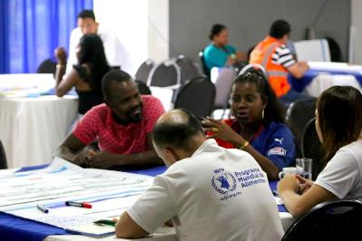
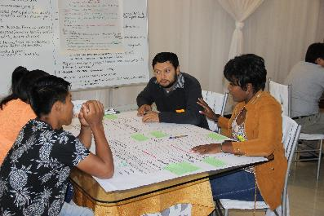
 |  |  |  |  |  |  |  | 2. Promotion of fishing and aquaculture: Enhance the sustainable use of fisheries resources and the implementation of family and community aquaculture systems, as well as strengthen local cooperatives and associations to foster access to market. |  |  |  |  |  |  |  |  | 2. Brood stock management and fish production: Food security and nutrition of Awà communities will be improved by food availability and physical and economic access to diverse food, especially that with a high protein through brood stock management and fish production.
 |  |  |  |  |  |  |  |  |  |  |  |  |  |  |  |  |  |  |  |  |  |  |  |  | 3. Conservation and protection of water sources in the Mira-Mataje and Guáitara-Carchi watersheds.
 |  |  |  |  |  |  |  |  |  |  |  |  |  |  |  |  |  |  |  |  |  |  |  |  |  |  |  |  |  |  |  |  |  |  | 2. Livestock production, fishery and hunting: Improve food security in the communities, enhancing availability and access to diverse food, especially those with a high protein contribution to the Awá diet. For this reason, brood stock management and integrated farms will be promoted.

 |  |  |  |  |  |  |  | 3. Ecosystems restoration with native species: Restore the main ecosystems that support community livelihoods (forests, mangroves, among others), to ensure local agricultural systems productivity and bush meat availability, as well as to promote tourism as an alternative source of income.
 |  |  |  |  |  |  |  |  |  |  |  |  |  |  |  |  | 3. Human Health: Restore traditional medicine and native medical species based on ancestral knowledge as a complement to conventional medicine.

 |  |  |  |  |  |  |  |  |  |  |  |  |  |  |  |  |  |  |  |  |  |  |  |  |  |  |  |  |  |  |  |  |  |  | 3. Ecosystem restoration and reforestation: Ecosystem restoration will be implemented in respect of the Awá cosmovision. Trainings and awareness-raising activities on environment, forest conservation, sustainable development, among others, will be carried out. Active and passive reforestation will be promoted through family/community tree nurseries with native and/or endangered species, in articulation with to reforestation plans , wildlife conservation programs, among others.

 |  |  |  |  |  |  |  | 4. Sustainable management of water resources: Mainstreaming this issue is a key factor for the successfull implementation of the other initiatives, especially those related to agriculture and fishery. It is also essential to implement concrete actions to protect main water resources, through greater use of water harvesting, especially in the winter period.
 |  |  |  |  |  |  |  |  |  |  |  |  |  |  |  |  | 4. Ecosystem restoration: Reforestation with native species, especially in water rounds, will be promoted, as well as and the active and passive restoration of forests and other ecosystems in the region. These activities require community participation and commitment, thus implementing family and community plant nurseries and seeds banks and facilitating incentives for ecosystem restoration and conservation. Prioritized adaptation measure to climate change: Implementation of germplasm and seeds banks with agriculture experimental and demonstration plots.

 |  |  |  |  |  |  |  |  |  |  |  |  |  |  |  |  |  |  |  |  |  |  |  |  |  |  |  |  |  |  |  |  |  |  | 4. Alternative sources of income: Alternative income-generating activities, such as ecoturism, will be promoted to increase families income and enhance a sustainable use of the territory.

Annex4_Baseline
 | Binational baseline report

 | Logframe indicators

 | PPR - Project Indicators | Indicators | Colombia |  |  | Ecuador
 |  |  | Afrodescendants | Awa | Total | Afrodescendants | Awa | Total
1 | Dietary diversity score | Households with low diet diversity (%) | 41.1 | 54.7 | 48.3 | 27.2 | 57.2 | 39.0
2 | Binational capacity strengthening score | Households who implemented concrete actions for climate change (%)
 |  | Harvest crops in other areas | 27.9
 |  | Change crops | 27.0
 |  | Use fertilizers and/or control of plagues | 22.5
3 |  | Entities [local Governments] that have carried out actions on climate change (%) | 13.8
4 | Percentage of women with physical, political and economic empowerment | Household members managing income (%)
 |  | Both | 46.2 | 61.7 | 54.4 | 36.5 | 55.1 | 43.9
 |  | Women | 37.2 | 14.8 | 25.4 | 50.5 | 19.6 | 38.3
5 |  | Household who implemented concrete actions for climate change according to decision-makers (%)
 |  | Harvest crops in other areas | 27.8
 |  | Both | 34.5
 |  | Women | 8.0
 |  | Change type of crops for new ones | 27.0
 |  | Both | 32.1
 |  | Women | 9.6
 |  | Use of fertilisers and/or pests controls | 22.5
 |  | Both | 18.5
 |  | Women | 14.8
6 | Output 1.1.3 Number of events to disseminate information | Number of events | 27
7 |  | Number of communities | 55
8 |  | Number of participants | 843
9 |  | Number of participants - women | 421
10 |  | Number of participants - men | 422
11 | Output 1.2.1 Number of communities trained | Households who reported community-based actions for climate change (%) | 10.9
12 |  | Number of communities | 32
13 | Output 1.2.1 Number of leaders trained | Number of leaders trained | 79
14 | Output 1.2.1 Number of women trained | Number of women trained | 180 (45.6%)
15 | Output 1.2.2 Number of communities trained (represented at the events) | Households who participated in the implementation of climate change actions (%) | 26.0
16 |  | Household who participated in activities dealing with climate change issues (%) | 49.5
17 |  | Households attending trainings on agriculture and climate change according to family member who participates (%)
18
 |  | Both | 15.0
 |  | Women | 11.4
19 |  | Number of communities | 75
20 | Output 1.2.2 Number of leaders trained | Number of participants - leaders | 105
21 | Output 1.2.2 Number of women trained | Number of participants- women | 257 (48.8%)
22 | Output 1.2.3 Number of learning platforms | Household with knowledge on climate change (%) | 48.5
23 |  | Households who have access to that knowledge with internet (%) | 8.2
24 | Outcome 2.1 Scientific studies tailored to binational contexts, considering traditional knowledge and community priorities | Households evidencing a change in temperature (%) | 72.2 | 67.9 | 69.9 | 34.9 | 14.8 | 25.3
25 |  | Households evidencing a decrease in crops productivity (%) | 45.9 | 47.4 | 46.7 | 40.5 | 41.3 | 40.8
26 | Outcome 2.2 Disaster preparedness score | Households affected by disasters and/or emergencies (%) | 57.1 | 46.4 | 51.4 | 36.4 | 19.7 | 29.3
27 |  | Households perceive to be prepared for climate change (%) | 9.4
28 |  | Households perceive their coomunities are prepared for climate change (%) | 7.3
29 | Output 2.2.2 Number of EPR training | Number of meteorological and hydrological monitoring networks | Colombia: 14 |  |  | Ecuador: 12
30 |  | Number of women trained | 23 |  |  | 43.0
31 |  | Number of men trained | 30 |  |  | 57.0
32 | Outcome 3.1 Percentage of households and communities having more secure access to livelihood assets | Households with some type of crop (%) | 53.8 | 72.2 | 63.5 | 50.9 | 79.7 | 63.2
33 |  | Households dedicated to brood stock management (%) | 33.2 | 60.4 | 47.6 | 34.4 | 82.7 | 53.8
34 |  | Small animals "Totally used" for autoconsumption | 55.5 | 42.0 | 46.4 | 40.8 | 48.6 | 46.3
35 |  | Households that "Sold" the remaining small animals | 85.4 | 76.2 | 78.8 | 86.5 | 80.0 | 82.1
36 | Outcome 3.1 Percentage of households where women, men or both (women and men) make decisions on the use of incomes | Household members managing income (%)
 |  | Men | 1.8 | 14.8 | 8.7 | 6.3 | 21.0 | 12.1
 |  | Women | 37.2 | 14.8 | 25.4 | 50.5 | 19.6 | 38.3
 |  | Both | 46.2 | 61.7 | 54.4 | 36.5 | 55.1 | 43.9
 | Output 3.1.2 Time saved due to adaptation measures for women and men | Percentage of men/women that:
37 |  | Spend more than 8 hours on housework, carework and food preparation (%)
 |  | Both | 52.4
 |  | Women | 9.4
38 |  | Are in charge of water gathering (%)
 |  | Both | 59.0
 |  | Women | 26.0
39 | Output 3.1.3 Number of communities with improved access to water for agriculture and consumption | Households with "rivers, ditches and canals" as water sources for consumption (%) | 66.8 | 74.7 | 70.9 | 35.0 | 72.0 | 49.6
 | Output 3.1.3 Number of people with improved access to water for agriculture and consumption
40 | Output 3.1.5 Number of communities that reintroduced climate resilient native species | Main native crops | Pineapple, papaya, "guanabana", "caimito", yuca, beans, plantain, "borojo", cane, corn, cocoa, coffee, sweet potato, orito (type of banana), coconut, "chontaduro", tomato, "zapayo", "naidí", "naranjilla", "chiro", Chinese potato
41 | Output 3.1.5 Porcentaje de aumento en los ingresos de los hogares por los servicios ecosistemicos y los sistemas agrícolas | Average expenses at household level (US$) | 205 | 137 | 170 | 372 | 200 | 289

 | Binational baseline Indicators

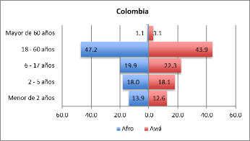
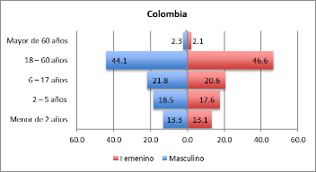
 | Module | Indicators | Colombia |  |  | Ecuador |  |  | Binational baseline highlights
 |  |  | Afrodescendants | Awa | Total | Afrodescendants | Awa | Total
1 | Sociodemographic | 1. Household head who answered the survey | 70.7 | 72.5 | 71.7 | 43.7 | 55.8 | 48.8
 |  | 2. Ethnic autoidentification | 89.7 | 98.1 | N/A | 85.5 | 98.3 | N/A |  | • 98% of Awá households identify themselves as indigenous in both countries. A similar result has been evidenced also for Afro-descendant communities. •More than 78.9% of the ethnic groups declared living in the community more than ten years ago. •The average of family members is similar in both countries, with 4.7 people per household for Colombia and 4.9 for Ecuador; in general Awá families are bigger than Afro. • Most people are between 18 and 60 years old, 45.4% in Colombia and 43.9% in Ecuador. •In Ecuador head of household have a lower education level than in Colombia.
 |  | 3. Time living in the community (>10 years) | 78.9 | 84.6 | 81.9 | 81.1 | 83.8 | 82.2
 |  | 4. Household size | 4.5 | 4.9 | 4.7 | 4.6 | 5.3 | 4.9
 |  | 5. Age groups according to ethnic groups
 |  | Less than 2 years | 13.9 | 12.6 | N/A | 4.2 | 4.2 | N/A
 |  | 2 - 5 years | 18.0 | 18.1 | N/A | 6.5 | 13.4 | N/A
 |  | 6 - 17 years | 19.9 | 22.3 | N/A | 30.7 | 39.1 | N/A
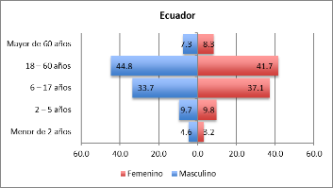
 |  | 18 - 60 years | 47.2 | 43.9 | N/A | 48.1 | 38.9 | N/A
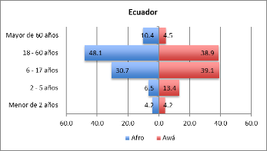
 |  | Greater than 60 | 1.1 | 3.1 | N/A | 10.4 | 4.5 | N/A
 |  | 6. Education level of household head
 |  | Primary | 29.5 | 40.9 | 35.6 | 54.1 | 35.1 | 45.8
 |  | Secondary | 51.3 | 16.0 | 32.4 | 17.3 | 12.1 | 15.0
 |  | Technical | 9.8 | 2.6 | 6.0 | 0.5 | 4.3 | 2.2
 |  | University degree | 0.9 | - | 0.4 | 0.5 | 0.5 | 0.5
 |  | Postgraduate | - | - | - | 0.5 | - | 0.3
 |  | Other | - | - | - | 4.5 | 13.5 | 8.4
 |  | Do not know/Do not answer | 8.5 | 37.9 | 24.3 | - | - | -
Water sources for consumption - %
 | Aqueduct | Waterhole | River, strand, ditch or channel | Rain water, albarrada | Other | Do not answer
Afrodescendants | 12.1 | 19.0 | 66.8 | 0.3 | - | 1.8
Awa | 1.6 | 12.7 | 74.7 | 7.3 | 1.6 | 2.2
Afrodescendants | 45.0 | 17.8 | 35.0 | 1.1 | 0.7 | 0.5
Awa | 7.4 | 15.0 | 72.0 | 2.9 | 1.4 | 1.2
2 | Access to housing | 7. Water sources for consumption
 |  | Aqueduct | 12.1 | 1.6 | 6.6 | 45.0 | 7.4 | 30.2 |  | •In both countries, the majority of Awá households have acces to water through River, strand, ditch or channel. •In Colombia 57.0% of households have no access to sanitary service, while 32.3% of the Ecuadorian households are connected to a Septic tank.
 |  | Waterhole | 19.0 | 12.7 | 15.7 | 17.8 | 15.0 | 16.7
 |  | River, strand, ditch or channel | 66.8 | 74.7 | 70.9 | 35.0 | 72.0 | 49.6
 |  | Rain water, albarrada | 0.3 | 7.3 | 4.0 | 1.1 | 2.9 | 1.8
 |  | Other | - | 1.6 | 0.9 | 0.7 | 1.4 | 1.0
 |  | Do not answer | 1.8 | 2.2 | 2.0 | 0.5 | 1.2 | 0.8
 |  | 8. Sanitary service
 |  | Sewer | - | 4.0 | 2.1 | 32.6 | 3.8 | 21.2
 |  | Septic tank | 54.1 | 13.7 | 32.8 | 31.2 | 33.8 | 32.3
 |  | Don't have sanitary service | 39.6 | 72.5 | 57.0 | 15.8 | 41.4 | 25.9
 |  | Other | 4.2 | 6.2 | 5.3 | 28.6 | 10.2 | 19.5
 |  | Do not answer | 2.1 | 3.5 | 2.1 | 2.8 | 3.9 | 1.2
Average household expenditure - US$
 | Average expenses at household level | Average food expenditure
Afrodescendants | 205 | 113
Awa | 137 | 80
Afrodescendants | 372 | 134
Awa | 200 | 73
3 | Socioeconomic situation | 9. Household expenses (US$)
 |  | Average expenses at household level | 205 | 137 | 170 | 372 | 200 | 289 |  | •Average household expenditure reaches US $ 228, with the Afro population registering spending level (US$ 288), compared to Awá households (US$ 168). •Households spend on average for food US$ 100 in both countries, with Awá households spending on average US$ 76 and Afro at least US$ 45. •In both countries ( 59% in Colombia and 49.8% in Ecuador) mainly both men and women managing income. •In both countries (54.4% in Colombia and 43.9% in Ecuador), mainly both men and women decides about food procurement. Women make decisions for 25.4% in Colombia and 38.3% for Ecuador. •in both countries 40% of households receive assistance from the government or other organizations.
 |  | 10. Average food expenditure (US$)
 |  | Average food expenditure | 113 | 80 | 96 | 134 | 73 | 105
 |  | 11. Household members managing income
 |  | Both | 46.2 | 61.7 | 54.4 | 36.5 | 55.1 | 43.9
 |  | Man | 1.8 | 14.8 | 8.7 | 6.3 | 21.0 | 12.1
 |  | The family | 9.4 | 4.6 | 6.8 | 3.7 | 2.9 | 3.4
 |  | Woman | 37.2 | 14.8 | 25.4 | 50.5 | 19.6 | 38.3
 |  | Do not know/Do not answer | 5.4 | 4.0 | 4.7 | 3.0 | 1.4 | 2.4
 |  | 12. Household members who decides about food procurement
 |  | Both | 46.2 | 61.7 | 54.4 | 36.5 | 55.1 | 43.9
Household members managing income - %
 | Both | Man | The family | Woman | Do not know/Do not answer
Afrodescendants | 46.2 | 1.8 | 9.4 | 37.2 | 5.4
Awa | 61.7 | 14.8 | 4.6 | 14.8 | 4.0
Afrodescendants | 36.5 | 6.3 | 3.7 | 50.5 | 3.0
Awa | 55.1 | 21.0 | 2.9 | 19.6 | 1.4
 |  | Man | 1.8 | 14.8 | 8.7 | 6.3 | 21.0 | 12.1
 |  | The family | 9.4 | 4.6 | 6.8 | 3.7 | 2.9 | 3.4
 |  | Woman | 37.2 | 14.8 | 25.4 | 50.5 | 19.6 | 38.3
 |  | Do not know/Do not answer | 5.4 | 4.0 | 4.7 | 3.0 | 1.4 | 2.4
 |  | 13. Households receiving assistance from government or other organizations
 |  | Yes | 49.8 | 31.5 | 40.2 | 37.7 | 45.0 | 40.6
 |  | Not | 50.2 | 68.2 | 59.7 | 62.3 | 55.1 | 59.4
 |  | Do not answer | - | 0.3 | 0.1 | - | - | -
 |  | 14. Access to health service
 |  | Yes | 88.5 | 69.3 | 78.3 | 88.3 | 74.7 | 82.5
 |  | Not | 11.2 | 30.7 | 21.5 | 11.0 | 24.2 | 16.6
 |  | Do not answer | 0.3 | - | 0.1 | 0.7 | 1.1 | 0.9
4 | Agricultural activities | 15. Households with crops
 |  | Yes | 53.8 | 72.2 | 63.5 | 50.9 | 79.7 | 63.2 |  | •In both countries Around 63% of households own crops. • In Colombia 47.6% of households are dedicate to brood stock management, while in Ecuador 53.8%. •Almost all the households interviewed (87%) breed Hens or Chickens, with approximately 96% of Awá households and 70% of Afro. Secondly, 31.8% for Afro-Colombians and 28.8% for Afro-Ecuadorians breed Pigs, while 21.9% of in Colombia and 30.1% in Ecuador. •In. both countries 46.4% of households use small animals Totally for self-consumption. If not used for self-consumption, around 80% were Soldboth in Colombia and Ecuador. •In both countries, main sources of income are agriculture and brood stock management, generating vulnerabilities in the communities due to lack of diversification of productive activities.
Households with crops - %
 | Yes | Not | Do not answer
Afrodescendants | 53.8 | 46.2 | -
Awa | 72.2 | 27.8 | -
Afrodescendants | 50.9 | 46.9 | 2.1
Awa | 79.7 | 19.8 | 0.5
 |  | Not | 46.2 | 27.8 | 36.5 | 46.9 | 19.8 | 35.4
 |  | Do not answer | - | - | - | 2.1 | 0.5 | 1.4
 |  | 16. Household dedicated to brood stock management
 |  | Yes | 33.2 | 60.4 | 47.6 | 34.4 | 82.7 | 53.8
 |  | Not | 66.8 | 39.6 | 52.4 | 62.9 | 15.9 | 44.0
 |  | Do not answer | - | - | - | 2.7 | 1.5 | 2.2
 |  | 17. Small animals
 |  | Chicken | 80.0 | 94.2 | 89.5 | 77.6 | 97.5 | 89.9
 |  | Pigs | 31.8 | 21.9 | 25.1 | 28.8 | 30.1 | 29.6
 |  | Fishes | 0.9 | 20.1 | 13.8 | 14.7 | 21.6 | 19.0
 |  | Cows | - | 4.5 | 3.0 | 13.6 | 17.8 | 16.2
 |  | Guinea pig | 0.9 | 10.7 | 7.5 | 2.0 | 10.9 | 7.5
Household dedicated to brood stock management - %
 | Yes | Not | Do not answer
Afrodescendants | 33.2 | 66.8 | -
Awa | 60.4 | 39.6 | -
Afrodescendants | 34.4 | 62.9 | 2.7
Awa | 82.7 | 15.9 | 1.5
 |  | Hunting/sea products | - | - | - | 9.5 | 2.1 | 4.9
 |  | Other | 1.8 | 0.4 | 0.9 | 3.0 | 1.3 | 1.9
 |  | 18. Small animals used for self-consumption
 |  | Totally used | 55.5 | 42.0 | 46.4 | 40.8 | 48.6 | 46.3
 |  | Half | 41.8 | 53.1 | 49.4 | 34.5 | 37.8 | 36.8
 |  | Less than half | - | - | - | 0.4 | 0.6 | 0.6
 |  | Nothing | 1.8 | 1.3 | 1.5 | 16.5 | 5.6 | 8.8
 |  | Do not know/Do not answer | 0.9 | 3.6 | 2.7 | 7.9 | 7.3 | 7.5
 |  | 19. If not used for self-consumption, what did do with surplus?
 |  | Sold | 85.4 | 76.2 | 78.8 | 86.5 | 80.0 | 82.1
 |  | Gave it away | 8.3 | 8.2 | 8.2 | 5.0 | 4.8 | 4.9
 |  | Exchange | 2.1 | 7.4 | 5.9 | 0.7 | - | 0.2
 |  | Died | - | 5.7 | 4.1 | 2.8 | 7.2 | 5.8
 |  | Do not know/Do not answer | 4.2 | 2.5 | 2.9 | 5.0 | 7.9 | 7.0
5 | Food security and nutrition | 20. Household food access
Household food access - %
 | Purchased food (Family Income) | Own production (reserve) | Donations (support) | Harvest (hunting, fishing)
Afrodescendants | 99.4 | 73.7 | 44.4 | -
Awa | 97.8 | 92.5 | 76.0 | -
Afrodescendants | 94.3 | 19.7 | 4.9 | 10.0
Awa | 79.7 | 38.8 | 2.0 | 22.5
 |  | Purchased food (Family Income) | 99.4 | 97.8 | 98.6 | 94.3 | 79.7 | 88.6 |  | ACCESS TO FOOD: • In both Ecuador and Colombia, most households buy food in formal or informal markets, using cash or credit (Colombia 95% , Ecuador 88.6%). Own production is also important in both countries, with 83% in Colombia and 27.3% in Ecuador. •Regarding Livelihoods Coping Strategies (when households lack food), the most predominants OPTIONS are to Purchase food on credit or borrowed food for Afro-descendants (67.4 % in Colombia and 50.4% in Ecuador). In Colombia, Awá population prefer Purchased food on credit or borrowed food or Borrowed money (both at 35%) and Sold small animals (31.5%). In both countries (Colombia 60.4% and Ecuador 44.2%), both Awá and Afrodescendants mainly implement Stress coping strategies with lack of food.
 |  | Own production (reserve) | 73.7 | 92.5 | 83.6 | 19.7 | 38.8 | 27.3
 |  | Donations (support) | 44.4 | 76.0 | 61.1 | 4.9 | 2.0 | 3.7
 |  | Harvest (hunting, fishing) | - | - | - | 10.0 | 22.5 | 14.9
 |  | 21. Livelihoods Coping Strategies list
 |  | Depend on help from family or friends | 29.6 | 14.6 | 21.7 | 40.2 | 26.0 | 34.6
 |  | Purchased food on credit or borrowed food | 67.4 | 34.5 | 50.0 | 50.4 | 23.5 | 39.7
 |  | Borrowed money | 49.5 | 34.8 | 41.7 | 37.8 | 35.3 | 36.8
 |  | Sent household members to eat elsewhere | 8.2 | 0.5 | 4.1 | 9.4 | 8.1 | 8.9
 |  | Sold small animals | 4.8 | 31.5 | 18.9 | 10.2 | 42.1 | 22.8
 |  | Reduced expenses on health (including drugs) and education | 4.2 | 2.2 | 3.1 | 16.1 | 24.2 | 19.3
Livelihood-based Coping Strategies - %
 | Crisis | Emergency | Stress | Neutral | Do not answer
Afrodescendants | 11.2 | - | 73.4 | 14.8 | 0.6
Awa | 14.3 | - | 48.2 | 36.9 | 0.5
Afrodescendants | 2.8 | 20.3 | 49.5 | 27.4 | -
Awa | 8.8 | 23.1 | 36.0 | 32.0 | -
 |  | Sold household assets/goods | 0.6 | - | 0.3 | 1.8 | 8.2 | 4.3
 |  | Harvested immature crops | 8.2 | 11.9 | 10.1 | 6.9 | 23.7 | 13.5
 |  | Sold productive assets or means of transport | 0.3 | 0.3 | 0.3 | 1.9 | 7.4 | 4.0
 |  | Consumed seed stocks that were to be saved for the next season | - | 2.4 | 1.3 | 16.4 | 23.1 | 19.0
 |  | Sold house or land | - | - | - | 0.4 | 5.7 | 2.5
 |  | Finding other jobs | 10.9 | 22.4 | 17.0 | 20.3 | 23.1 | 21.4
 |  | Migration of one or more family members | - | - | - | 6.2 | 5.3 | 5.8
 |  | None of the above | 7.6 | 16.2 | 12.1 | - | - | -
 |  | Harvesting of products (hunting / fishing in inappropriate weather) | - | - | - | 7.1 | 26.1 | 14.6
 |  | 22. Livelihood-based Coping Strategies Index
 |  | Crisis | 11.2 | 14.3 | 12.8 | 2.8 | 8.8 | 5.2
 |  | Emergency | - | - | - | 20.3 | 23.1 | 21.4
 |  | Stress | 73.4 | 48.2 | 60.1 | 49.5 | 36.0 | 44.2
Frequency of food consumption groups - %
 |  | Neutral | 14.8 | 36.9 | 26.5 | 27.4 | 32.0 | 29.2
 |  | Do not answer | 0.6 | 0.5 | 0.6 | - | - | - |  | CONSUMPTION: •Regarding food consumption, on average 66% of households frequently consume Protein rich-foods (e.g., legumes, dairy, meat, organ meats, fish and eggs) . On the other hand, in Colombia approximately 48.1% consume Oils, Fats and Flours daily, while in Ecuador this percentage is much higher (65.5% of households). •According to the Food Consumption Score both Afro-Colombians and Afro-Ecuadorians have an Acceptable food consumption greater than or equal to 80%. However, 47.7% of the Awá communities in Colombia and 66.1% in Ecuador is at risk of food insecurity (Poor: 22% in Colombia and 38% in Ecuador| Borderline:25% in Colombia and 27% in Ecuador). •Considering the Dietary diversity score, the Awa population have a lower diet diversity (54.7% for Colombia and 57.2% for Ecuador) than the Afro population (41% in Colombia and 27% in Ecuador). Only 18.9% of Afro-Ecuadorian and 4.8% of the Afro-Colombian presented high diet diversity. This results evidenced a high risk of malnutrition to a greater extent in the Awá communities than in the Afro communities..
 |  |  | Colombia |  |  | Ecuador
 |  | 23. Frequency of food consumption groups | Never (0days) | Sometimes (1-6 days) | At least dialy (7 days) | Never (0days) | Sometimes (1-6 days) | At least dialy (7 days)
 |  | Vitamin A | 6% | 42% | 52% | 15% | 42% | 42%
 |  | Protein rich-food | 2% | 28% | 70% | 4% | 34% | 62%
 |  | Hem Iron | 14% | 65% | 21% | 16% | 56% | 11%
 |  | Fruit and vegetables | 16% | 35% | 49% | 23% | 33% | 15%
 |  | Oils and fats | 15% | 37% | 48% | 6% | 25% | 68%
 |  | Flours | 12% | 39% | 48% | 3% | 34% | 63%
 |  | 24. Food Consumption Score
 |  | Acceptable | 89.4 | 52.3 | 69.8 | 80.0 | 33.5 | 57.7
Diet diversity Score - %
 | High diet diversity (≥ 6 food groups) | Medium diet diversity (4 and 5 food groups) | Lowest diet diversity (≤ 3 food groups)
Afrodescendants | 4.8 | 54.1 | 41.1
Awa | 7.5 | 37.7 | 54.7
Afrodescendants | 18.9 | 53.9 | 27.2
Awa | 7.0 | 35.8 | 57.2
 |  | Borderline | 8.5 | 25.1 | 17.2 | 14.1 | 27.6 | 20.6
 |  | Poor | 2.1 | 22.6 | 13.0 | 5.5 | 38.5 | 21.3
 |  | Do not answer | - | - | - | 0.4 | 0.5 | 0.4
 |  | 25. Diet diversity Score
 |  | High diet diversity (≥ 6 food groups) | 4.8 | 7.5 | 6.3 | 18.9 | 7.0 | 14.2
 |  | Medium diet diversity (4 and 5 food groups) | 54.1 | 37.7 | 45.4 | 53.9 | 35.8 | 46.8
 |  | Lowest diet diversity (≤ 3 food groups) | 41.1 | 54.7 | 48.3 | 27.2 | 57.2 | 39.0
 |  | 26. Consumption-based coping strategies
 |  | Rely on less preferred and less expensive food | 52.0 | 53.6 | 52.8 | 64.5 | 66.6 | 65.3
 |  | Borrow food or rely on help from relative(s) or friend(s) | 77.0 | 46.6 | 61.0 | 52.0 | 52.0 | 52.0
 |  | Reduce number of meals eaten in a day | 23.0 | 18.1 | 20.4 | 35.0 | 37.3 | 36.0
 |  | Limit portion size at meals | 34.7 | 27.5 | 30.9 | 39.4 | 42.1 | 40.4
 |  | Restrict consumption by adults for small children to eat | 4.8 | 1.6 | 3.1 | 14.3 | 15.9 | 14.9
Cephalic and arm perimeter - centimetres
 | 27. Cephalic perimeter | 28. Arm circumference
Afrodescendants | 35.0 | 17.0
Awa | 34.5 | 15.9
Afrodescendants | 39.9 | 16.2
Awa | 34.8 | 15.7
6 | Anthropometry | 27. Cephalic perimeter | 35.0 | 34.5 | 34.7 | 39.9 | 34.8 | 36.8
 |  | Boy |  |  | 31.9 |  |  | 36.1 |  | •The Mid-upper arm circumference (MUAC),is a quick measurement of identifying children at risk of malnutrition and a color-coded tape is used to determine the degree of risk . The Head perimeter "is an indicator of neurological development of indirect evaluation of brain mass". This value allows alerting if there is any possible health problem. •Results evidenced that in both countries an increased risk of malnutrition especially for girls, and Awà communities are at higher risk than Afro-descendants.
 |  | Girl |  |  | 37.1 |  |  | 38.4
 |  | 28. Arm circumference | 17.0 | 15.9 | 16.4 | 16.2 | 15.7 | 16.0
 |  | Boy |  |  | 16.5 |  |  | 16.2
 |  | Girl |  |  | 16.4 |  |  | 15.7
 |  | 29. Color of the arm perimeter tape
 |  | Yellow | 2.1 | 4.6 | 3.4 | 1.8 | 6.9 | 4.6
 |  | Red | 0.3 | 0.6 | 0.4 | - | 12.8 | 7.0
 |  | Green | 97.6 | 94.8 | 96.1 | 98.2 | 80.3 | 88.5
7 | Gender and domestic violence | 30. Feeling of distress, worry, anxiety, or trouble
Feeling of distress, worry, anxiety, or trouble - %
 | Never | Part of the time | Half of the time | All the time | Do not respond
Afrodescendants | 6.9 | 32.3 | - | 15.4 | -
Awa | 18.1 | 46.1 | - | 13.7 | 9.4
Afrodescendants | 19.1 | 36.0 | 14.4 | 13.8 | 2.1
Awa | 27.7 | 37.1 | 13.1 | 11.4 | 3.8
 |  | Never | 6.9 | 18.1 | 12.8 | 19.1 | 27.7 | 22.7 |  | •In relation to family problems, in Colombia, 45.3% of Afro-Colombians have felt distress, worry, anxiety, or trouble Most of the time, while 46.1% of the Awá communities only Part of the time. In Ecuador, both ethnic groups mostly have experienced these feelings (on average 36.5%). •Controversies with partner for money have occurred Once a week in 33% of Awá households and in 24% for the Afro-descendant population.
 |  | Part of the time | 32.3 | 46.1 | 39.6 | 36.0 | 37.1 | 36.4
 |  | Half of the time | - | - | - | 14.4 | 13.1 | 13.8
 |  | Most of the time | 45.3 | 12.7 | 28.1 | 14.7 | 7.0 | 11.4
 |  | All the time | 15.4 | 13.7 | 14.5 | 13.8 | 11.4 | 12.8
 |  | Do not respond | - | 9.4 | 5.0 | 2.1 | 3.8 | 2.8
 |  | 31. Controversy with the spouse or partner for money
 |  | Never | 52.9 | 50.9 | 51.9 | 42.5 | 48.3 | 45.0
 |  | Once a week | 25.7 | 33.2 | 29.6 | 22.6 | 33.3 | 27.2
 |  | 2 - 3 times a week | 7.6 | 4.3 | 5.8 | 5.9 | 3.0 | 4.6
 |  | 4 -5 times a week | 1.8 | - | 0.9 | 0.5 | 0.9 | 0.7
 |  | Everyday | 5.4 | 0.3 | 2.7 | 2.5 | 0.9 | 1.8
 |  | Do not respond | 6.6 | 11.3 | 9.1 | 5.1 | 4.2 | 4.7
 |  | Not applicable (single) | - | - | - | 20.9 | 9.4 | 16.0
Households evidencing a decrease in crops productivity
 | Yes | Not | Do not know | Do not apply | Do not respond
Afrodescendants | 45.9 | 15.1 | 3.6 | 33.5 | 1.8
Awa | 47.4 | 19.1 | 16.2 | 14.8 | 2.4
Afrodescendants | 40.5 | 13.6 | 3.3 | 29.8 | 12.8
Awa | 41.3 | 30.0 | 12.9 | 8.8 | 7.1
8 | Natural events and climate change | 32. Households affected by climate change events
 |  | Floods | 51.7 | 2.7 | 25.8 | 7.6 | 2.7 | 5.5 |  | • Extreme climate-related events with mostly affected households in both countries are the Rainfall increase (29.2% in Colombia and 34.8% in Ecuador) and Droughts (35.8% in Colombia and 25.4% in Ecuador). •In Colombia, 70% of households experienced changes in temperature, while in Ecuador 34.9% of Afro-descendants and 14.8% of Awá households.. •In Colombia, 51.4% of households were affected by disasters and/or emergencies, while in Ecuador 29.3%; mainly by Floods, Armed conflict and Landslides.
 |  | Rainfall increase | 9.4 | 46.9 | 29.2 | 34.3 | 35.3 | 34.8
 |  | Sea level rise | 2.4 | 1.1 | 1.7 | 8.4 | 0.7 | 5.1
 |  | Drought | 58.6 | 15.4 | 35.8 | 41.6 | 3.6 | 25.4
 |  | Other | 0.6 | 1.9 | 1.3 | 2.8 | 1.6 | 2.3
 |  | None | - | 26.7 | 14.1 | - | - | -
 |  | 33. Households evidencing a change in temperature
 |  | Yes | 72.2 | 67.9 | 69.9 | 34.9 | 14.8 | 25.3
 |  | Not | 19.3 | 13.5 | 16.2 | 46.5 | 67.7 | 56.7
Households affected by disasters and/or emergencies
 | Yes | Not | Do not know
Afrodescendants | 57.1 | 39.9 | 1.8
Awa | 46.4 | 48.2 | 4.0
Afrodescendants | 36.4 | 58.8 | 1.9
Awa | 19.7 | 66.6 | 9.8
 |  | Not applicable / Do not know | 5.1 | 15.6 | 10.7 | 10.5 | 13.7 | 12.0
 |  | Do not respond | 3.3 | 3.0 | 3.1 | 8.0 | 3.9 | 6.0
 |  | 34. Households evidencing a decrease in crops productivity
 |  | Yes | 45.9 | 47.4 | 46.7 | 40.5 | 41.3 | 40.8
 |  | Not | 15.1 | 19.1 | 17.2 | 13.6 | 30.0 | 20.6
 |  | Do not know | 3.6 | 16.2 | 10.3 | 3.3 | 12.9 | 7.4
 |  | Do not apply | 33.5 | 14.8 | 23.6 | 29.8 | 8.8 | 20.9
 |  | Do not respond | 1.8 | 2.4 | 2.1 | 12.8 | 7.1 | 10.4
 |  | 35. Households affected by disasters and/or emergencies
 |  | Yes | 57.1 | 46.4 | 51.4 | 36.4 | 19.7 | 29.3
 |  | Not | 39.9 | 48.2 | 44.3 | 58.8 | 66.6 | 62.2
 |  | Do not know | 1.8 | 4.0 | 3.0 | 1.9 | 9.8 | 5.3
 |  | Do nor respond | 1.2 | 1.3 | 1.3 | 2.8 | 3.9 | 3.3

